Strategy Analysis
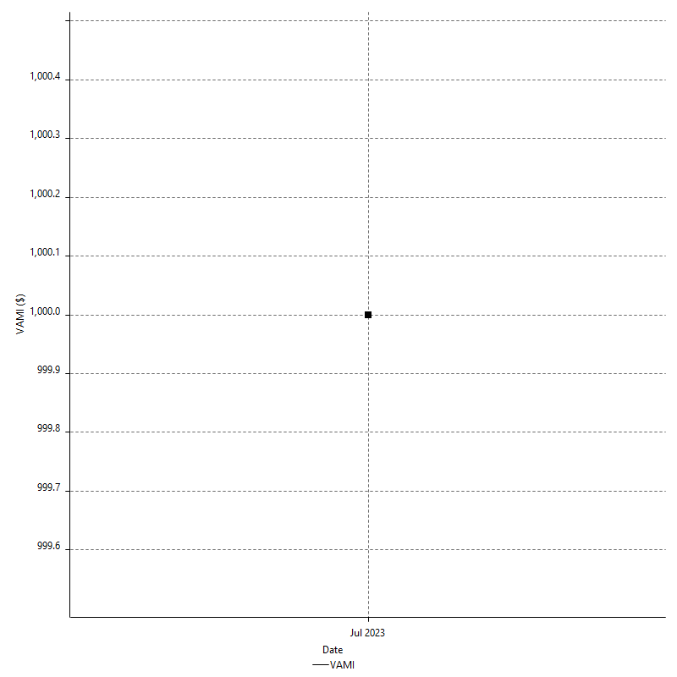
Strategy Performance Summary

 | All Trades | Long Trades | Short Trades
Net Profit | $2515.50 | $2515.50 | n/a
Gross Profit | $3633.00 | $3633.00 | n/a
Gross Loss | -$1117.50 | -$1117.50 | n/a
Adjusted Net Profit | $1862.60 | $1862.60 | n/a
Adjusted Gross Profit | $3243.50 | $3243.50 | n/a
Adjusted Gross Loss | -$1380.90 | -$1380.90 | n/a
Select Net Profit | $2291.50 | $2291.50 | n/a
Select Gross Profit | $2365.50 | $2365.50 | n/a
Select Gross Loss | -$74.00 | -$74.00 | n/a
Account Size Required | $331.50 | $331.50 | n/a
Return on Account | 758.82% | 758.82% | n/a
Return on Initial Capital | 2.52% | 2.52% | n/a
Max Strategy Drawdown | -$531.50 | -$531.50 | n/a
Max Strategy Drawdown (%) | -0.53% | -0.53% | n/a
Max Close To Close Drawdown | -$331.50 | -$331.50 | n/a
Max Close To Close Drawdown (%) | -0.33% | -0.33% | n/a
Return on Max Strategy Drawdown | 4.7328316087 | 4.7328316087 | n/a
Profit Factor | 3.2510067114 | 3.2510067114 | n/a
Adjusted Profit Factor | 2.3488362042 | 2.3488362042 | n/a
Select Profit Factor | 31.966216216 | 31.966216216 | n/a
Max # Contracts Held | 3 | 3 | 0
Slippage Paid | $0.00 | $0.00 | $0.00
Commission Paid | $0.00 | $0.00 | n/a
Open Position P/L | n/a | n/a | n/a
Annual Rate of Return | 32.77% | 32.77% | n/a
Monthly Rate of Return | 2.73% | 2.73% | n/a
Buy & Hold Return | $3251.56 | $3251.56 | n/a
Avg Monthly Return | $2515.50 | $2515.50 | $2515.50
Monthly Return StdDev | n/a | n/a | n/a
Total # of Trades | 105 | 105 | 0
% Profitable | 82.86% | 82.86% | 0.00%

Performance Ratios

Upside Potential Ratio | n/a
Sharpe Ratio | n/a
Annualized Sharpe Ratio | n/a
Sortino Ratio | n/a
Fouse Ratio | n/a
Calmar Ratio | 0.052410901468
Sterling Ratio | 0.0019936601607
RINA Index | 329.61360555
Net Profit as % of Largest loss | 1927.59%
Net Profit as % of Max Trade Drawdown | 1927.59%
Net Profit as % of Max Strategy Drawdown | 473.28%
Select Net Profit as % of Largest loss | 1755.94%
Select Net Profit as % of Max Trade Drawdown | 1755.94%
Select Net Profit as % of Max Strategy Drawdown | 431.14%
Adj Net Profit as % of Largest loss | 1427.28%
Adj Net Profit as % of Max Trade Drawdown | 1427.28%
Adj Net Profit as % of Max Strategy Drawdown | 350.44%

Time Analysis

Trading Period | 28 Dys, 1 Hr
Time in the Market | 6 Dys, 7 Hrs, 46 Mins
Percent in the Market | 22.55%
Longest flat period | 2 Dys, 19 Hrs, 50 Mins
Max Run-up Date | 2023-07-12
Max Drawdown Date | 2023-07-05
Max Strategy Drawdown Date | 7/7/23
Max Close To Close Drawdown Date | 7/7/23

Equity Curve Detailed

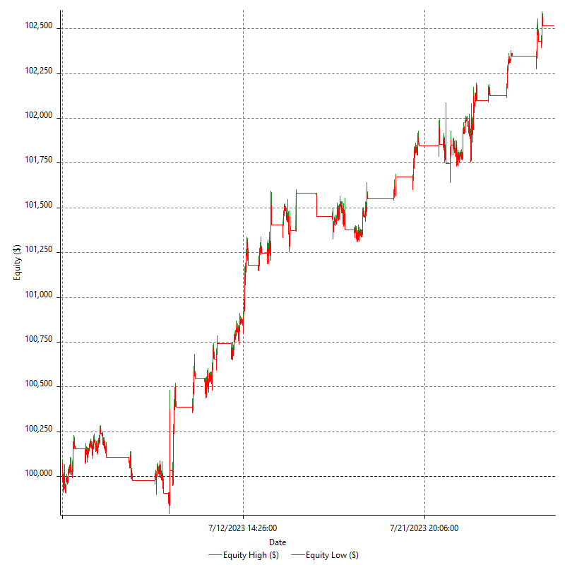

Equity Curve Detailed with DrawDown

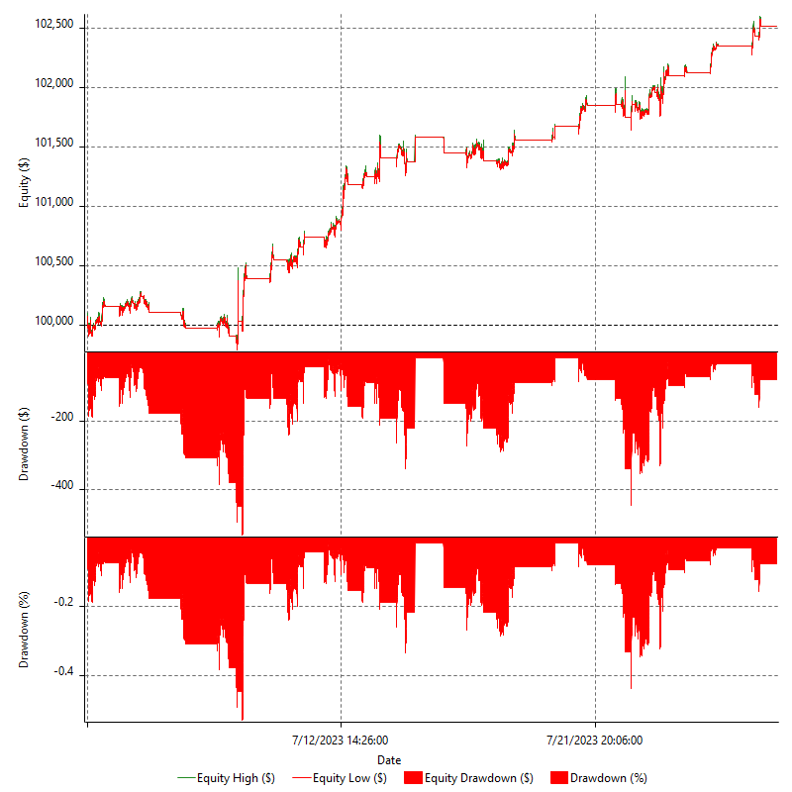

Equity Curve Detailed Long

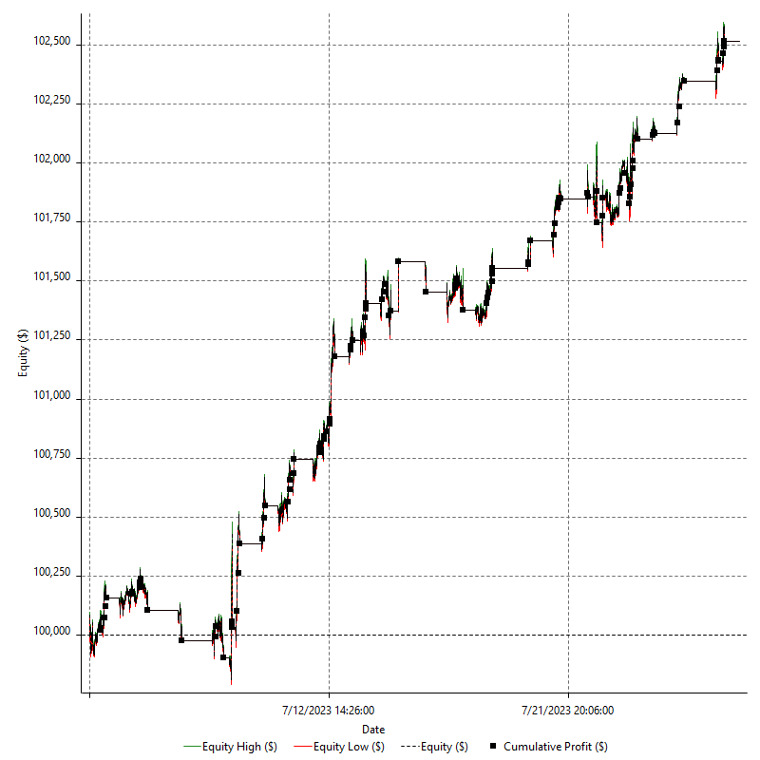

Equity Curve Detailed Short

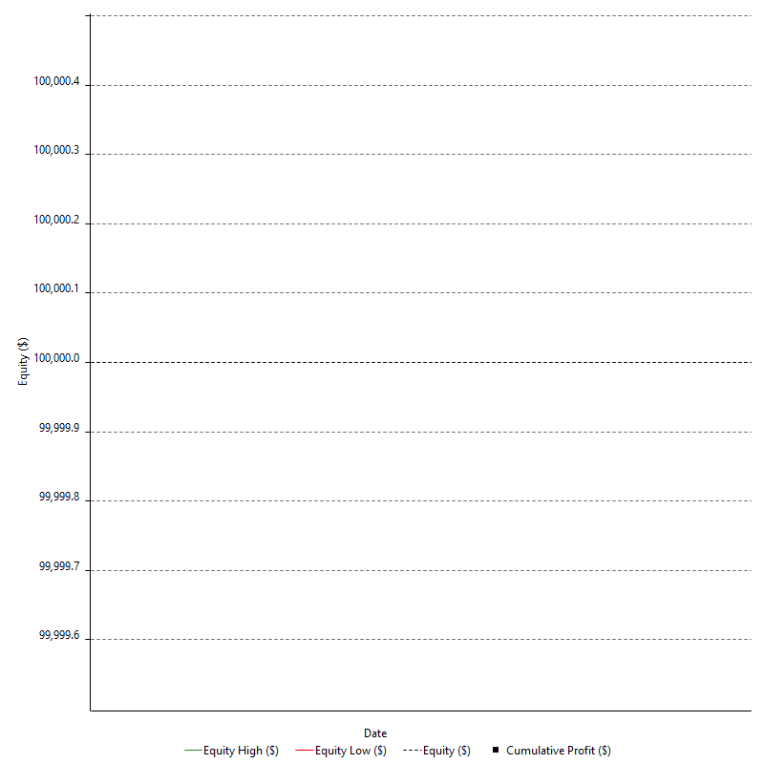

Equity Run-up & Drawdown

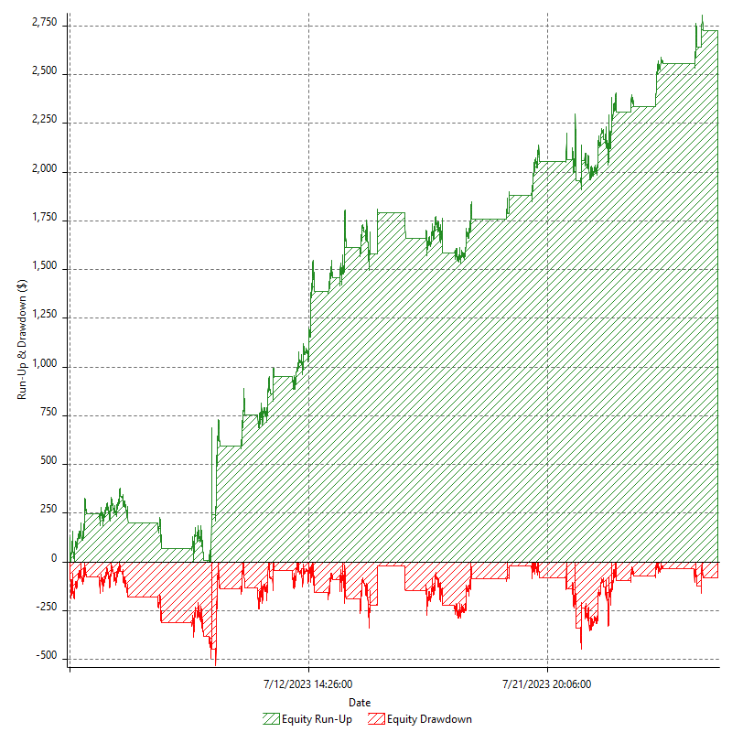

Equity Run-up & Drawdown (%)

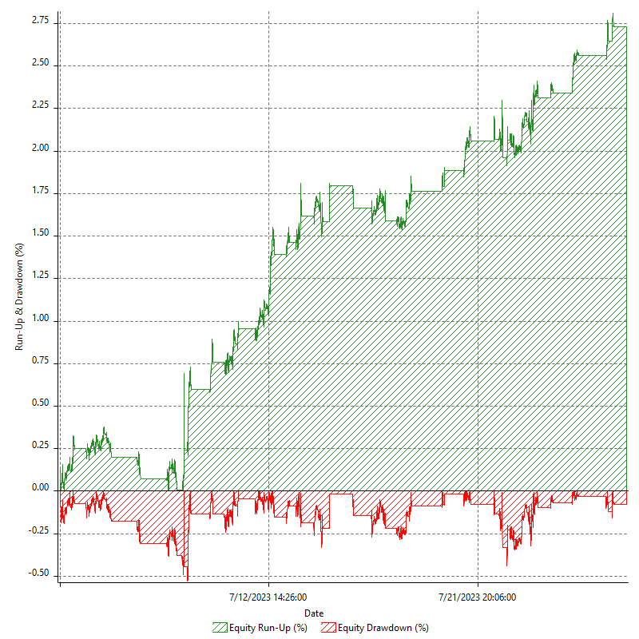

Equity Curve Close To Close

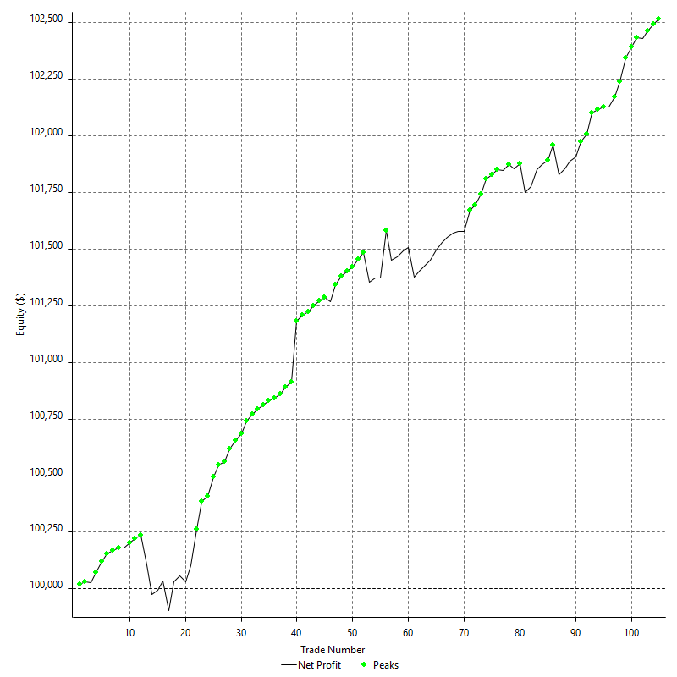

Equity Curve Close To Close With Drawdown

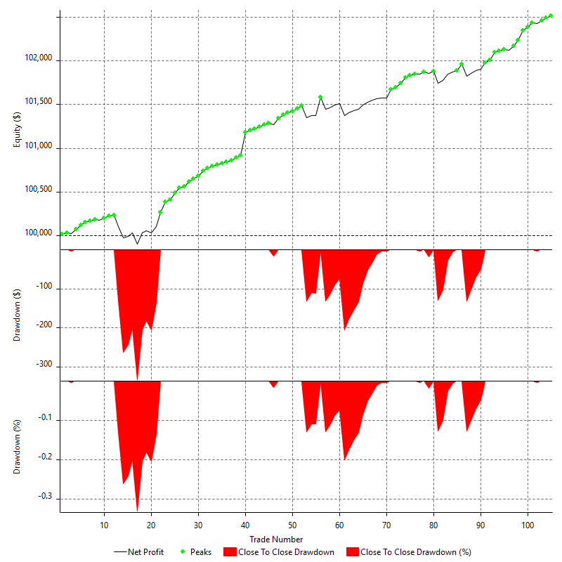

Buy & Hold Return

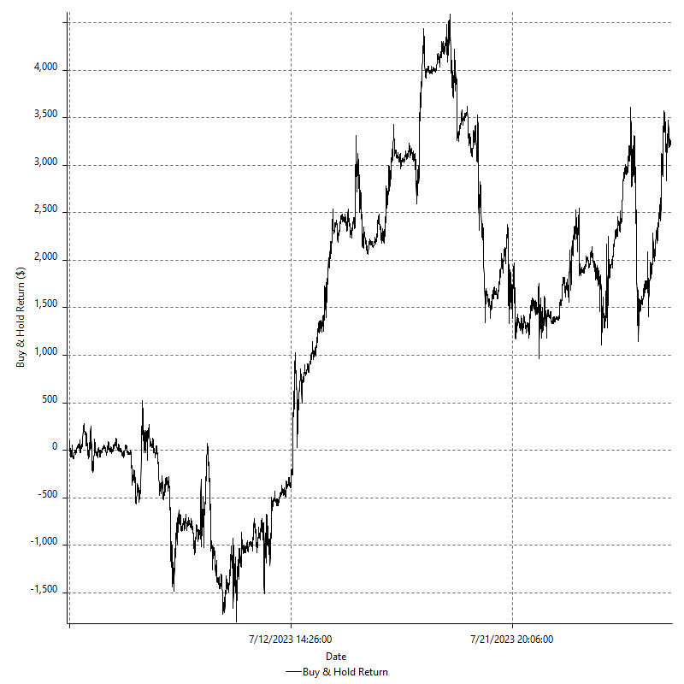

Value Added Monthly Index

Trade Analysis
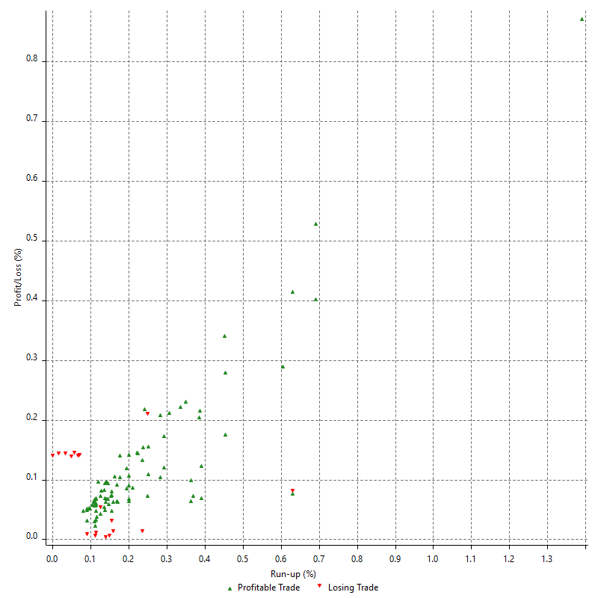
Total Trade Analysis

 | All Trades | Long Trades | Short Trades
Total # of Trades | 105 | 105 | 0
Total # of Open Trades | 0 | 0 | 0
Number Winning Trades | 87 | 87 | 0
Number Losing Trades | 18 | 18 | 0
% Profitable | 82.86% | 82.86% | 0.00%
Avg Trade (win & loss) | $23.96 | $23.96 | n/a
Average Winning Trade | $41.76 | $41.76 | n/a
Average Losing Trade | -$62.08 | -$62.08 | n/a
Ratio Avg Win / Avg Loss | -0.67262207822 | -0.67262207822 | n/a
Largest Winning Trade | $267.50 | $267.50 | n/a
Largest Losing Trade | -$130.50 | -$130.50 | n/a
Avg # Bars in Trades | 93.8 | 93.8 | n/a
Avg # Bars in Winning Trades | 95.4 | 95.4 | n/a
Avg # Bars in Losing Trades | 85.9 | 85.9 | n/a
Avg # Bars Between Trades | n/a | n/a | n/a
Avg # Bars Between Winning Trades | 227.9 | 227.9 | n/a
Avg # Bars Between Losing Trades | 1476.8 | 1476.8 | n/a

Outliers

 | Total | Positive | Negative
1 Std. Deviation of Avg. Trade | $60.33 | $41.72 | $63.21
Avg. Trade +1 Std. Deviation | $84.28 | $83.48 | $1.13
Avg. Trade - 1 Std. Deviation | -$36.37 | $0.03 | -$125.30
Number of Outliers | 17 | 9 | 8
Outlier Profit/Loss | $224.00 | $1267.50 | -$1043.50

Run-up/Drawdown

 | Run-up | Drawdown
Max Value | $425.00 | -$130.50
Max Value Date | 2023-07-12 | 2023-07-05
Avg Value | $74.25 | -$30.83
Max Value (%) | 1.39% | -0.21%
Max Value (%) Date | 2023-07-12 | 2023-07-24
Avg Value (%) | 0.22% | -0.07%
1 Std. Deviation | $58.41 | $31.47
Avg. Trade +1 Std. Deviation | $132.66 | $0.64
Avg. Trade - 1 Std. Deviation | $15.84 | -$62.30

Trade Series Analysis

Z-score | 1.6245706175
Confidence Limits | 0.89574601056
Strategy ME | $23.96
Max Consec. Winners | 25
Max Consec. Losers | 2
Largest Consec. Profit | $1254.00
Largest Consec. Loss | -$261.00
Largest Consec. Profit (%) | 1.25%
Largest Consec. Loss (%) | -0.26%

Trade Series Statistics

Consecutive Winners | Number of Series | Avg. Gain per Series | Avg. Loss Next Trade
1 | 4 | $69.63 | -$69.88
2 | 3 | $40.08 | -$52.50
3 | 3 | $22.00 | -$87.00
5 | 3 | $44.87 | -$45.33
6 | 2 | $40.63 | -$67.00
8 | 2 | $31.34 | -$1.50
25 | 1 | $50.16 | -$16.00
Consecutive Losers | Number of Series | Avg. Loss per Series | Avg. Gain Next Trade
1 | 16 | -$53.53 | $55.34
2 | 1 | -$130.50 | $18.00

Total Trades

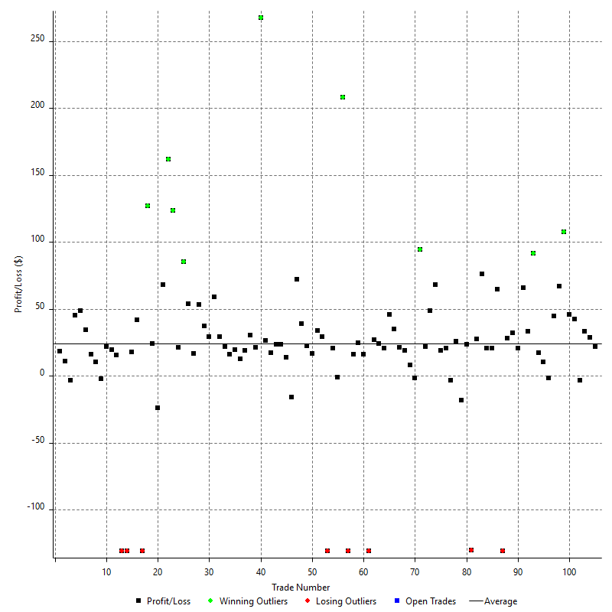

Winning Trades

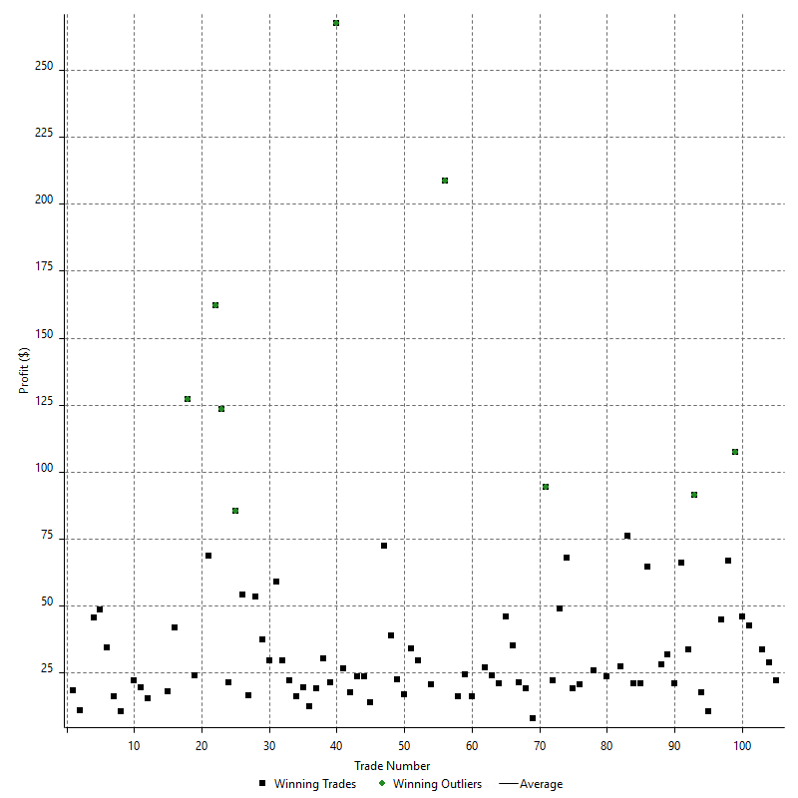

Losing Trades

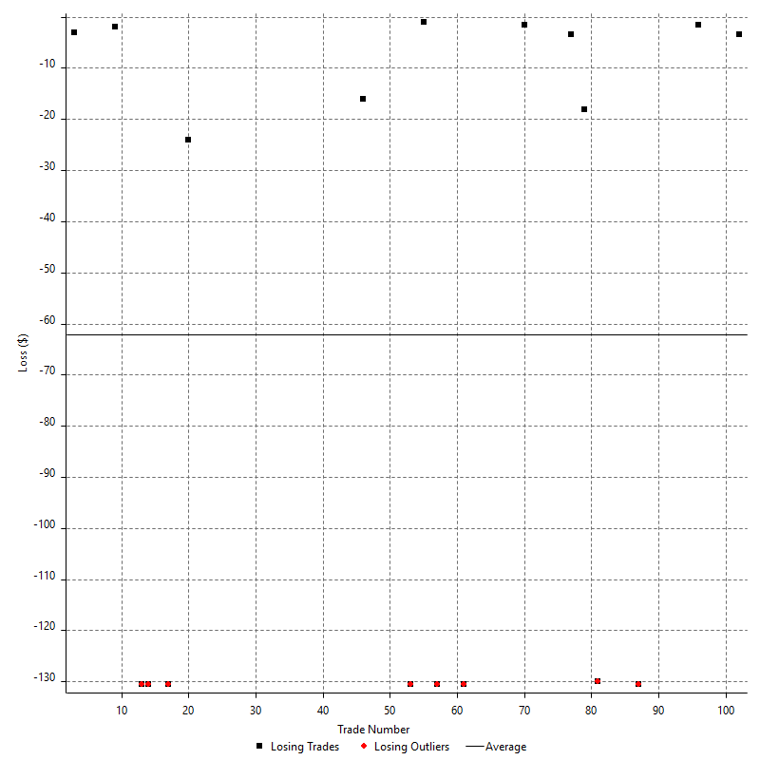

Drawdown

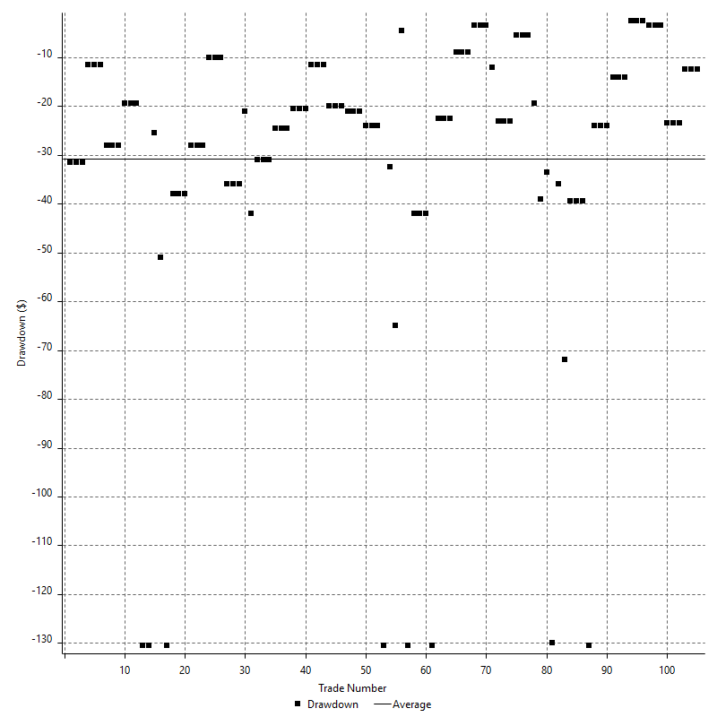

Drawdown P/L

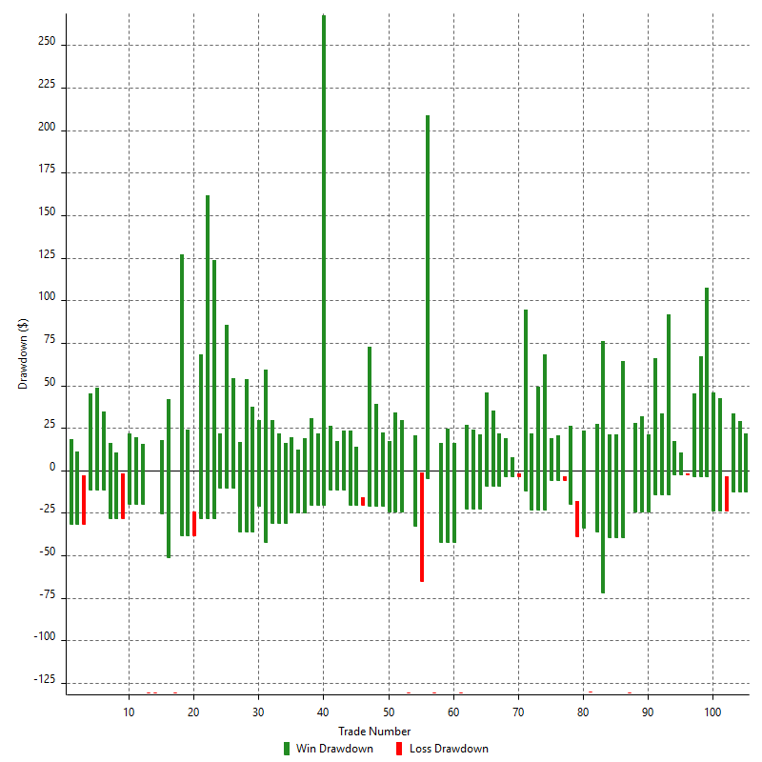

Maximum Adverse Excursion

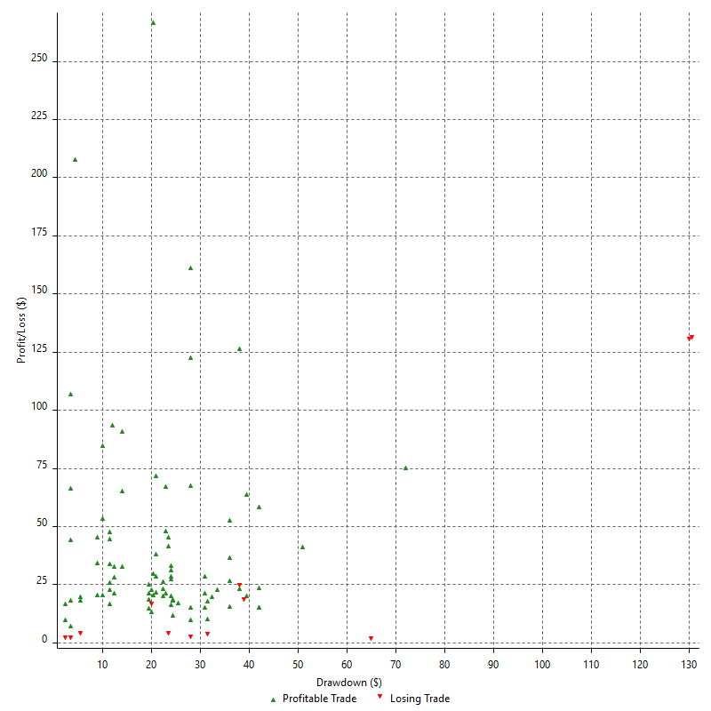

Maximum Adverse Excursion (%)

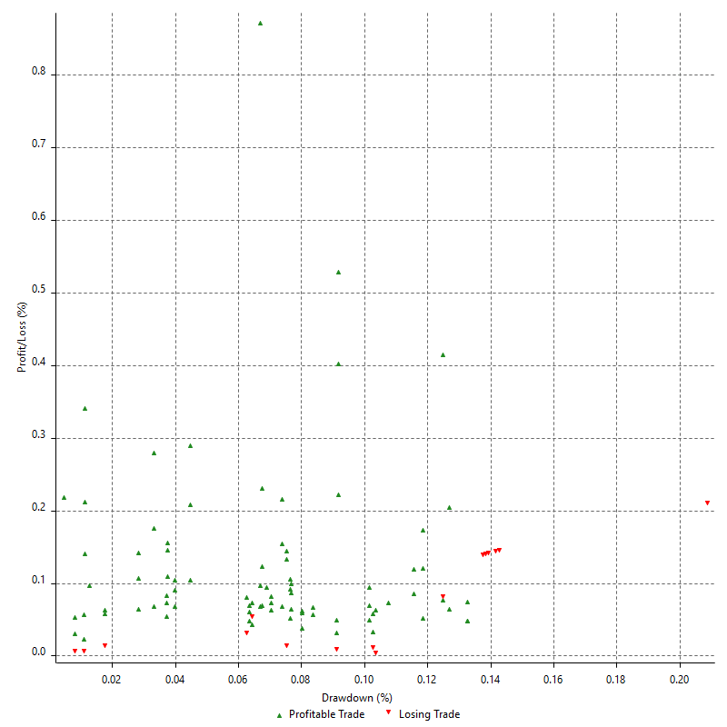

Run-up

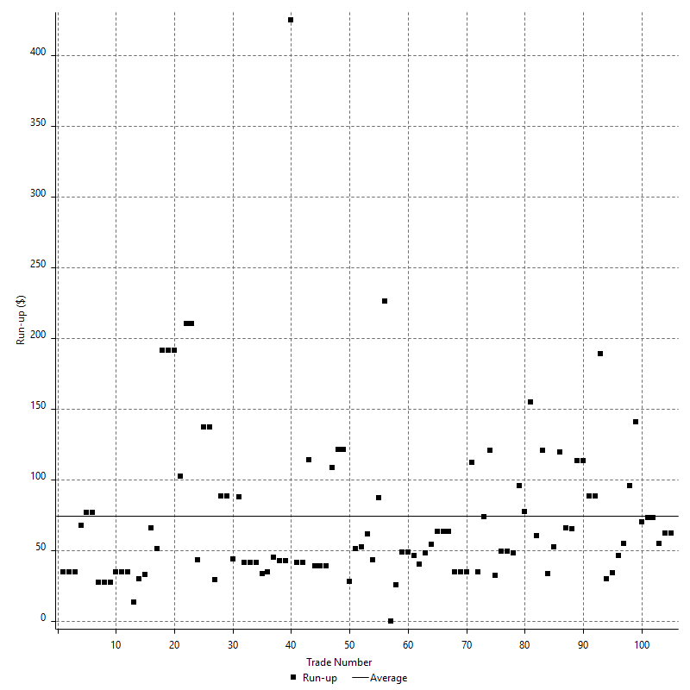

Run-up P/L

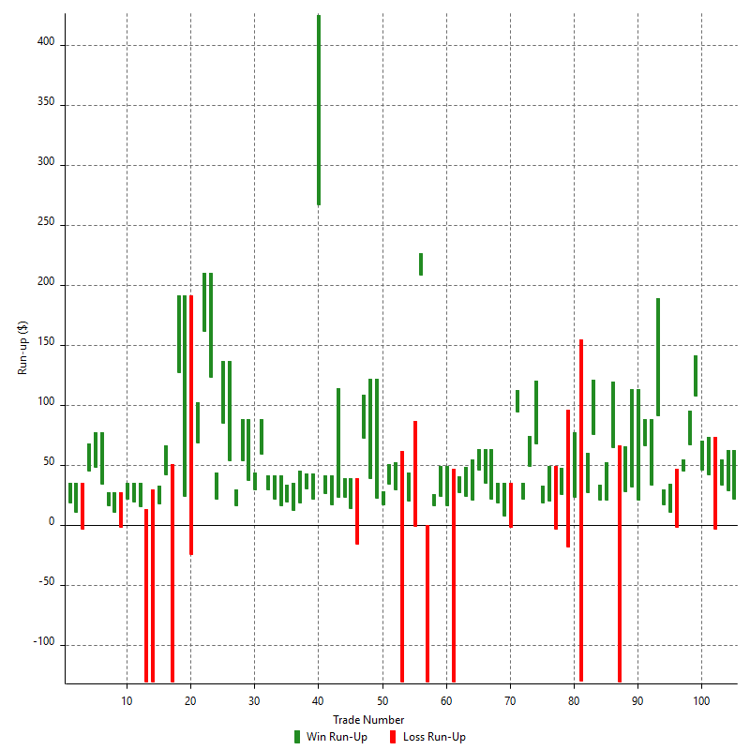

Maximum Favorable Excursion

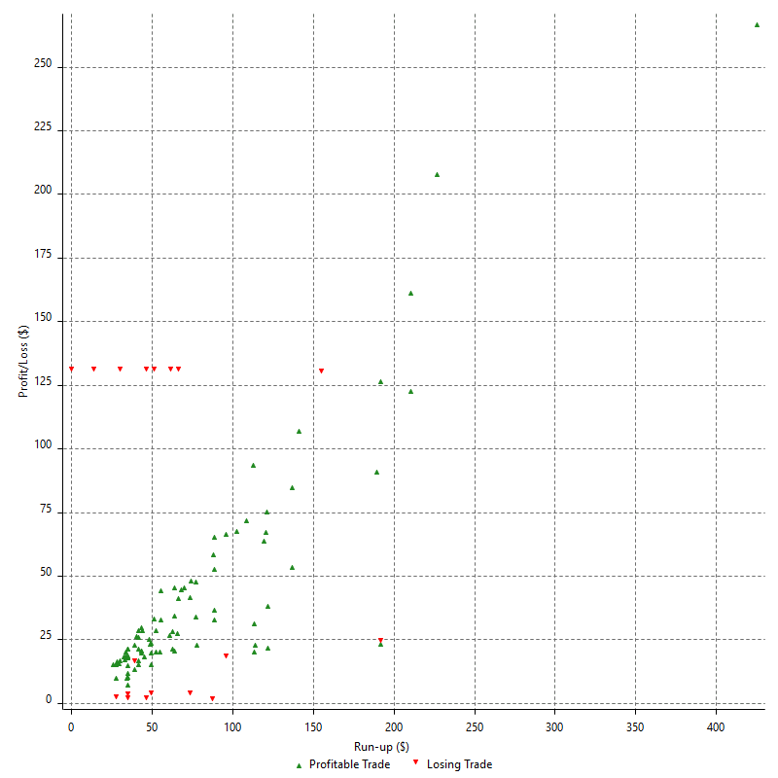

Maximum Favorable Excursion (%)

Periodical Analysis
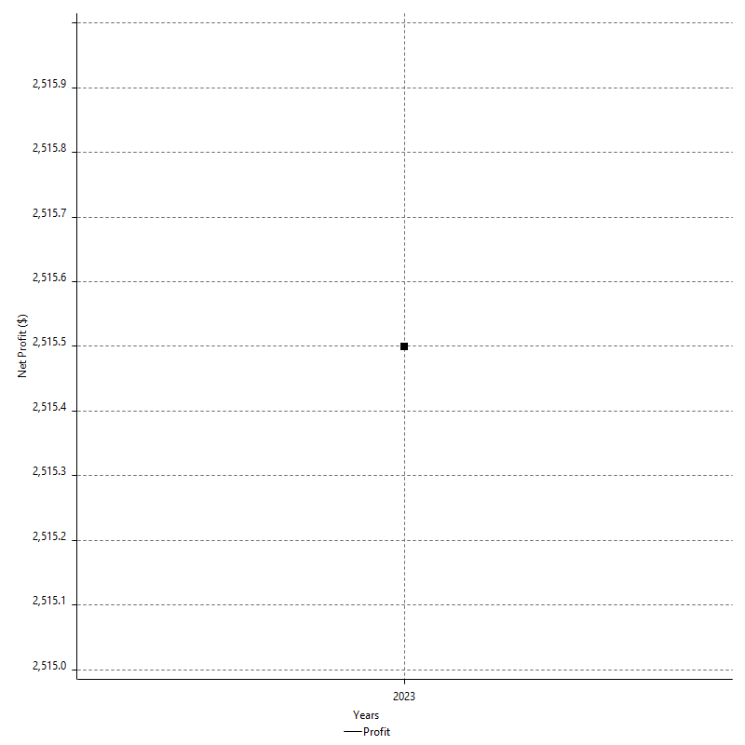
Hourly Period Analysis

Period | Profit ($) | Profit (%) | Average Profit ($) | Gross Profit | Gross Loss | # Trades | % Profitable
7/28/23 | -$18.00 | -0.02% | -$9.00 | $0.00 | -$18.00 | 2 | 0.00%
7/28/23 | $102.50 | 0.10% | $34.17 | $102.50 | $0.00 | 3 | 100.00%
7/28/23 | $0.00 | 0.00% | $0.00 | $0.00 | $0.00 | 0 | 0.00%
7/28/23 | $0.00 | 0.00% | $0.00 | $0.00 | $0.00 | 0 | 0.00%
7/28/23 | -$56.00 | -0.05% | -$28.00 | $0.00 | -$56.00 | 2 | 0.00%
7/28/23 | $147.00 | 0.14% | $49.00 | $147.00 | $0.00 | 3 | 100.00%
7/28/23 | -$6.00 | -0.01% | -$2.00 | $0.00 | -$6.00 | 3 | 0.00%
7/28/23 | $0.00 | 0.00% | $0.00 | $0.00 | $0.00 | 0 | 0.00%
7/28/23 | $0.00 | 0.00% | $0.00 | $0.00 | $0.00 | 0 | 0.00%
7/28/23 | $0.00 | 0.00% | $0.00 | $0.00 | $0.00 | 0 | 0.00%
7/28/23 | $0.00 | 0.00% | $0.00 | $0.00 | $0.00 | 0 | 0.00%
7/28/23 | $0.00 | 0.00% | $0.00 | $0.00 | $0.00 | 0 | 0.00%
7/28/23 | $0.00 | 0.00% | $0.00 | $0.00 | $0.00 | 0 | 0.00%
7/28/23 | $0.00 | 0.00% | $0.00 | $0.00 | $0.00 | 0 | 0.00%
7/27/23 | $0.00 | 0.00% | $0.00 | $0.00 | $0.00 | 0 | 0.00%
7/27/23 | $0.00 | 0.00% | $0.00 | $0.00 | $0.00 | 0 | 0.00%
7/27/23 | $0.00 | 0.00% | $0.00 | $0.00 | $0.00 | 0 | 0.00%
7/27/23 | $0.00 | 0.00% | $0.00 | $0.00 | $0.00 | 0 | 0.00%
7/27/23 | $0.00 | 0.00% | $0.00 | $0.00 | $0.00 | 0 | 0.00%
7/27/23 | $0.00 | 0.00% | $0.00 | $0.00 | $0.00 | 0 | 0.00%
7/27/23 | $0.00 | 0.00% | $0.00 | $0.00 | $0.00 | 0 | 0.00%
7/27/23 | $0.00 | 0.00% | $0.00 | $0.00 | $0.00 | 0 | 0.00%
7/27/23 | $0.00 | 0.00% | $0.00 | $0.00 | $0.00 | 0 | 0.00%
7/27/23 | $0.00 | 0.00% | $0.00 | $0.00 | $0.00 | 0 | 0.00%
7/27/23 | $0.00 | 0.00% | $0.00 | $0.00 | $0.00 | 0 | 0.00%
7/27/23 | $0.00 | 0.00% | $0.00 | $0.00 | $0.00 | 0 | 0.00%
7/27/23 | $0.00 | 0.00% | $0.00 | $0.00 | $0.00 | 0 | 0.00%
7/27/23 | $0.00 | 0.00% | $0.00 | $0.00 | $0.00 | 0 | 0.00%
7/27/23 | $0.00 | 0.00% | $0.00 | $0.00 | $0.00 | 0 | 0.00%
7/27/23 | -$8.00 | -0.01% | -$8.00 | $0.00 | -$8.00 | 1 | 0.00%
7/27/23 | $25.00 | 0.02% | $25.00 | $25.00 | $0.00 | 1 | 100.00%
7/27/23 | -$7.50 | -0.01% | -$7.50 | $0.00 | -$7.50 | 1 | 0.00%
7/27/23 | $19.00 | 0.02% | $9.50 | $25.00 | -$6.00 | 2 | 50.00%
7/27/23 | $119.00 | 0.12% | $39.67 | $119.00 | $0.00 | 3 | 100.00%
7/27/23 | $72.00 | 0.07% | $24.00 | $72.00 | $0.00 | 3 | 100.00%
7/27/23 | $0.00 | 0.00% | $0.00 | $0.00 | $0.00 | 0 | 0.00%
7/27/23 | $0.00 | 0.00% | $0.00 | $0.00 | $0.00 | 0 | 0.00%
7/27/23 | $0.00 | 0.00% | $0.00 | $0.00 | $0.00 | 0 | 0.00%
7/26/23 | $0.00 | 0.00% | $0.00 | $0.00 | $0.00 | 0 | 0.00%
7/26/23 | $0.00 | 0.00% | $0.00 | $0.00 | $0.00 | 0 | 0.00%
7/26/23 | $0.00 | 0.00% | $0.00 | $0.00 | $0.00 | 0 | 0.00%
7/26/23 | $0.00 | 0.00% | $0.00 | $0.00 | $0.00 | 0 | 0.00%
7/26/23 | $0.00 | 0.00% | $0.00 | $0.00 | $0.00 | 0 | 0.00%
7/26/23 | $0.00 | 0.00% | $0.00 | $0.00 | $0.00 | 0 | 0.00%
7/26/23 | $0.00 | 0.00% | $0.00 | $0.00 | $0.00 | 0 | 0.00%
7/26/23 | $0.00 | 0.00% | $0.00 | $0.00 | $0.00 | 0 | 0.00%
7/26/23 | $0.00 | 0.00% | $0.00 | $0.00 | $0.00 | 0 | 0.00%
7/26/23 | $0.00 | 0.00% | $0.00 | $0.00 | $0.00 | 0 | 0.00%
7/26/23 | $0.00 | 0.00% | $0.00 | $0.00 | $0.00 | 0 | 0.00%
7/26/23 | $0.00 | 0.00% | $0.00 | $0.00 | $0.00 | 0 | 0.00%
7/26/23 | -$21.00 | -0.02% | -$21.00 | $0.00 | -$21.00 | 1 | 0.00%
7/26/23 | -$12.00 | -0.01% | -$6.00 | $0.00 | -$12.00 | 2 | 0.00%
7/26/23 | $59.50 | 0.06% | $19.83 | $59.50 | $0.00 | 3 | 100.00%
7/26/23 | $0.00 | 0.00% | $0.00 | $0.00 | $0.00 | 0 | 0.00%
7/26/23 | $0.00 | 0.00% | $0.00 | $0.00 | $0.00 | 0 | 0.00%
7/26/23 | $0.00 | 0.00% | $0.00 | $0.00 | $0.00 | 0 | 0.00%
7/26/23 | $0.00 | 0.00% | $0.00 | $0.00 | $0.00 | 0 | 0.00%
7/26/23 | $0.00 | 0.00% | $0.00 | $0.00 | $0.00 | 0 | 0.00%
7/26/23 | $0.00 | 0.00% | $0.00 | $0.00 | $0.00 | 0 | 0.00%
7/26/23 | $0.00 | 0.00% | $0.00 | $0.00 | $0.00 | 0 | 0.00%
7/26/23 | $0.00 | 0.00% | $0.00 | $0.00 | $0.00 | 0 | 0.00%
7/26/23 | $0.00 | 0.00% | $0.00 | $0.00 | $0.00 | 0 | 0.00%
7/25/23 | $0.00 | 0.00% | $0.00 | $0.00 | $0.00 | 0 | 0.00%
7/25/23 | -$42.00 | -0.04% | -$42.00 | $0.00 | -$42.00 | 1 | 0.00%
7/25/23 | $33.50 | 0.03% | $33.50 | $33.50 | $0.00 | 1 | 100.00%
7/25/23 | -$10.00 | -0.01% | -$10.00 | $0.00 | -$10.00 | 1 | 0.00%
7/25/23 | $46.50 | 0.05% | $23.25 | $61.50 | -$15.00 | 2 | 50.00%
7/25/23 | $163.00 | 0.16% | $54.33 | $163.00 | $0.00 | 3 | 100.00%
7/25/23 | -$123.00 | -0.12% | -$61.50 | $0.00 | -$123.00 | 2 | 0.00%
7/25/23 | $121.50 | 0.12% | $30.38 | $204.00 | -$82.50 | 4 | 75.00%
7/25/23 | -$58.50 | -0.06% | -$58.50 | $0.00 | -$58.50 | 1 | 0.00%
7/25/23 | $10.50 | 0.01% | $10.50 | $10.50 | $0.00 | 1 | 100.00%
7/25/23 | -$44.00 | -0.04% | -$44.00 | $0.00 | -$44.00 | 1 | 0.00%
7/25/23 | $2.50 | 0.00% | $2.50 | $2.50 | $0.00 | 1 | 100.00%
7/25/23 | $58.50 | 0.06% | $58.50 | $58.50 | $0.00 | 1 | 100.00%
7/25/23 | -$16.50 | -0.02% | -$8.25 | $5.00 | -$21.50 | 2 | 50.00%
7/25/23 | $139.00 | 0.14% | $46.33 | $139.00 | $0.00 | 3 | 100.00%
7/25/23 | $34.50 | 0.03% | $11.50 | $34.50 | $0.00 | 3 | 100.00%
7/25/23 | -$28.50 | -0.03% | -$9.50 | $0.00 | -$28.50 | 3 | 0.00%
7/25/23 | $34.50 | 0.03% | $11.50 | $34.50 | $0.00 | 3 | 100.00%
7/25/23 | -$6.00 | -0.01% | -$2.00 | $0.00 | -$6.00 | 3 | 0.00%
7/25/23 | $13.50 | 0.01% | $4.50 | $13.50 | $0.00 | 3 | 100.00%
7/25/23 | -$72.00 | -0.07% | -$24.00 | $0.00 | -$72.00 | 3 | 0.00%
7/25/23 | $15.00 | 0.01% | $5.00 | $15.00 | $0.00 | 3 | 100.00%
7/25/23 | -$21.00 | -0.02% | -$7.00 | $0.00 | -$21.00 | 3 | 0.00%
7/25/23 | -$24.00 | -0.02% | -$8.00 | $0.00 | -$24.00 | 3 | 0.00%
7/24/23 | $21.00 | 0.02% | $7.00 | $21.00 | $0.00 | 3 | 100.00%
7/24/23 | $0.00 | 0.00% | $0.00 | $0.00 | $0.00 | 0 | 0.00%
7/24/23 | -$5.00 | 0.00% | -$5.00 | $0.00 | -$5.00 | 1 | 0.00%
7/24/23 | $108.50 | 0.11% | $54.25 | $108.50 | $0.00 | 2 | 100.00%
7/24/23 | $0.00 | 0.00% | $0.00 | $0.00 | $0.00 | 0 | 0.00%
7/24/23 | $0.00 | 0.00% | $0.00 | $0.00 | $0.00 | 0 | 0.00%
7/24/23 | $0.00 | 0.00% | $0.00 | $0.00 | $0.00 | 0 | 0.00%
7/24/23 | -$43.50 | -0.04% | -$21.75 | $44.50 | -$88.00 | 2 | 50.00%
7/24/23 | -$79.50 | -0.08% | -$39.75 | $0.00 | -$79.50 | 2 | 0.00%
7/24/23 | $16.50 | 0.02% | $8.25 | $16.50 | $0.00 | 2 | 100.00%
7/24/23 | $0.00 | 0.00% | $0.00 | $0.00 | $0.00 | 0 | 0.00%
7/24/23 | $0.00 | 0.00% | $0.00 | $0.00 | $0.00 | 0 | 0.00%
7/24/23 | $0.00 | 0.00% | $0.00 | $0.00 | $0.00 | 0 | 0.00%
7/24/23 | $8.00 | 0.01% | $4.00 | $26.00 | -$18.00 | 2 | 50.00%
7/24/23 | $0.00 | 0.00% | $0.00 | $0.00 | $0.00 | 0 | 0.00%
7/24/23 | $0.00 | 0.00% | $0.00 | $0.00 | $0.00 | 0 | 0.00%
7/24/23 | $0.00 | 0.00% | $0.00 | $0.00 | $0.00 | 0 | 0.00%
7/24/23 | $0.00 | 0.00% | $0.00 | $0.00 | $0.00 | 0 | 0.00%
7/24/23 | $0.00 | 0.00% | $0.00 | $0.00 | $0.00 | 0 | 0.00%
7/24/23 | $0.00 | 0.00% | $0.00 | $0.00 | $0.00 | 0 | 0.00%
7/24/23 | $0.00 | 0.00% | $0.00 | $0.00 | $0.00 | 0 | 0.00%
7/24/23 | $0.00 | 0.00% | $0.00 | $0.00 | $0.00 | 0 | 0.00%
7/24/23 | $0.00 | 0.00% | $0.00 | $0.00 | $0.00 | 0 | 0.00%
7/24/23 | $0.00 | 0.00% | $0.00 | $0.00 | $0.00 | 0 | 0.00%
7/23/23 | $0.00 | 0.00% | $0.00 | $0.00 | $0.00 | 0 | 0.00%
7/23/23 | $0.00 | 0.00% | $0.00 | $0.00 | $0.00 | 0 | 0.00%
7/23/23 | $0.00 | 0.00% | $0.00 | $0.00 | $0.00 | 0 | 0.00%
7/23/23 | $0.00 | 0.00% | $0.00 | $0.00 | $0.00 | 0 | 0.00%
7/23/23 | $0.00 | 0.00% | $0.00 | $0.00 | $0.00 | 0 | 0.00%
7/23/23 | $0.00 | 0.00% | $0.00 | $0.00 | $0.00 | 0 | 0.00%
7/23/23 | $0.00 | 0.00% | $0.00 | $0.00 | $0.00 | 0 | 0.00%
7/23/23 | $0.00 | 0.00% | $0.00 | $0.00 | $0.00 | 0 | 0.00%
7/23/23 | $0.00 | 0.00% | $0.00 | $0.00 | $0.00 | 0 | 0.00%
7/23/23 | $0.00 | 0.00% | $0.00 | $0.00 | $0.00 | 0 | 0.00%
7/23/23 | $0.00 | 0.00% | $0.00 | $0.00 | $0.00 | 0 | 0.00%
7/23/23 | $0.00 | 0.00% | $0.00 | $0.00 | $0.00 | 0 | 0.00%
7/23/23 | $0.00 | 0.00% | $0.00 | $0.00 | $0.00 | 0 | 0.00%
7/23/23 | $0.00 | 0.00% | $0.00 | $0.00 | $0.00 | 0 | 0.00%
7/23/23 | $0.00 | 0.00% | $0.00 | $0.00 | $0.00 | 0 | 0.00%
7/23/23 | $0.00 | 0.00% | $0.00 | $0.00 | $0.00 | 0 | 0.00%
7/23/23 | $0.00 | 0.00% | $0.00 | $0.00 | $0.00 | 0 | 0.00%
7/23/23 | $0.00 | 0.00% | $0.00 | $0.00 | $0.00 | 0 | 0.00%
7/23/23 | $0.00 | 0.00% | $0.00 | $0.00 | $0.00 | 0 | 0.00%
7/23/23 | $0.00 | 0.00% | $0.00 | $0.00 | $0.00 | 0 | 0.00%
7/23/23 | $0.00 | 0.00% | $0.00 | $0.00 | $0.00 | 0 | 0.00%
7/23/23 | $0.00 | 0.00% | $0.00 | $0.00 | $0.00 | 0 | 0.00%
7/23/23 | $0.00 | 0.00% | $0.00 | $0.00 | $0.00 | 0 | 0.00%
7/23/23 | $0.00 | 0.00% | $0.00 | $0.00 | $0.00 | 0 | 0.00%
7/22/23 | $0.00 | 0.00% | $0.00 | $0.00 | $0.00 | 0 | 0.00%
7/22/23 | $0.00 | 0.00% | $0.00 | $0.00 | $0.00 | 0 | 0.00%
7/22/23 | $0.00 | 0.00% | $0.00 | $0.00 | $0.00 | 0 | 0.00%
7/22/23 | $0.00 | 0.00% | $0.00 | $0.00 | $0.00 | 0 | 0.00%
7/22/23 | $0.00 | 0.00% | $0.00 | $0.00 | $0.00 | 0 | 0.00%
7/22/23 | $0.00 | 0.00% | $0.00 | $0.00 | $0.00 | 0 | 0.00%
7/22/23 | $0.00 | 0.00% | $0.00 | $0.00 | $0.00 | 0 | 0.00%
7/22/23 | $0.00 | 0.00% | $0.00 | $0.00 | $0.00 | 0 | 0.00%
7/22/23 | $0.00 | 0.00% | $0.00 | $0.00 | $0.00 | 0 | 0.00%
7/22/23 | $0.00 | 0.00% | $0.00 | $0.00 | $0.00 | 0 | 0.00%
7/22/23 | $0.00 | 0.00% | $0.00 | $0.00 | $0.00 | 0 | 0.00%
7/22/23 | $0.00 | 0.00% | $0.00 | $0.00 | $0.00 | 0 | 0.00%
7/22/23 | $0.00 | 0.00% | $0.00 | $0.00 | $0.00 | 0 | 0.00%
7/22/23 | $0.00 | 0.00% | $0.00 | $0.00 | $0.00 | 0 | 0.00%
7/22/23 | $0.00 | 0.00% | $0.00 | $0.00 | $0.00 | 0 | 0.00%
7/22/23 | $0.00 | 0.00% | $0.00 | $0.00 | $0.00 | 0 | 0.00%
7/22/23 | $0.00 | 0.00% | $0.00 | $0.00 | $0.00 | 0 | 0.00%
7/22/23 | $0.00 | 0.00% | $0.00 | $0.00 | $0.00 | 0 | 0.00%
7/22/23 | $0.00 | 0.00% | $0.00 | $0.00 | $0.00 | 0 | 0.00%
7/22/23 | $0.00 | 0.00% | $0.00 | $0.00 | $0.00 | 0 | 0.00%
7/22/23 | $0.00 | 0.00% | $0.00 | $0.00 | $0.00 | 0 | 0.00%
7/22/23 | $0.00 | 0.00% | $0.00 | $0.00 | $0.00 | 0 | 0.00%
7/22/23 | $0.00 | 0.00% | $0.00 | $0.00 | $0.00 | 0 | 0.00%
7/22/23 | $0.00 | 0.00% | $0.00 | $0.00 | $0.00 | 0 | 0.00%
7/21/23 | $0.00 | 0.00% | $0.00 | $0.00 | $0.00 | 0 | 0.00%
7/21/23 | $0.00 | 0.00% | $0.00 | $0.00 | $0.00 | 0 | 0.00%
7/21/23 | $0.00 | 0.00% | $0.00 | $0.00 | $0.00 | 0 | 0.00%
7/21/23 | $0.00 | 0.00% | $0.00 | $0.00 | $0.00 | 0 | 0.00%
7/21/23 | $0.00 | 0.00% | $0.00 | $0.00 | $0.00 | 0 | 0.00%
7/21/23 | $0.00 | 0.00% | $0.00 | $0.00 | $0.00 | 0 | 0.00%
7/21/23 | $0.00 | 0.00% | $0.00 | $0.00 | $0.00 | 0 | 0.00%
7/21/23 | $0.00 | 0.00% | $0.00 | $0.00 | $0.00 | 0 | 0.00%
7/21/23 | $0.00 | 0.00% | $0.00 | $0.00 | $0.00 | 0 | 0.00%
7/21/23 | -$47.00 | -0.05% | -$23.50 | $0.00 | -$47.00 | 2 | 0.00%
7/21/23 | $83.00 | 0.08% | $27.67 | $83.00 | $0.00 | 3 | 100.00%
7/21/23 | -$33.50 | -0.03% | -$33.50 | $0.00 | -$33.50 | 1 | 0.00%
7/21/23 | $50.50 | 0.05% | $50.50 | $50.50 | $0.00 | 1 | 100.00%
7/21/23 | $54.00 | 0.05% | $27.00 | $54.00 | $0.00 | 2 | 100.00%
7/21/23 | $71.00 | 0.07% | $23.67 | $71.00 | $0.00 | 3 | 100.00%
7/21/23 | -$3.00 | 0.00% | -$1.00 | $0.00 | -$3.00 | 3 | 0.00%
7/21/23 | $0.00 | 0.00% | $0.00 | $0.00 | $0.00 | 0 | 0.00%
7/21/23 | $0.00 | 0.00% | $0.00 | $0.00 | $0.00 | 0 | 0.00%
7/21/23 | $0.00 | 0.00% | $0.00 | $0.00 | $0.00 | 0 | 0.00%
7/21/23 | $0.00 | 0.00% | $0.00 | $0.00 | $0.00 | 0 | 0.00%
7/21/23 | $0.00 | 0.00% | $0.00 | $0.00 | $0.00 | 0 | 0.00%
7/21/23 | $0.00 | 0.00% | $0.00 | $0.00 | $0.00 | 0 | 0.00%
7/21/23 | $0.00 | 0.00% | $0.00 | $0.00 | $0.00 | 0 | 0.00%
7/21/23 | $0.00 | 0.00% | $0.00 | $0.00 | $0.00 | 0 | 0.00%
7/20/23 | $0.00 | 0.00% | $0.00 | $0.00 | $0.00 | 0 | 0.00%
7/20/23 | $0.00 | 0.00% | $0.00 | $0.00 | $0.00 | 0 | 0.00%
7/20/23 | $0.00 | 0.00% | $0.00 | $0.00 | $0.00 | 0 | 0.00%
7/20/23 | $0.00 | 0.00% | $0.00 | $0.00 | $0.00 | 0 | 0.00%
7/20/23 | $0.00 | 0.00% | $0.00 | $0.00 | $0.00 | 0 | 0.00%
7/20/23 | $0.00 | 0.00% | $0.00 | $0.00 | $0.00 | 0 | 0.00%
7/20/23 | $0.00 | 0.00% | $0.00 | $0.00 | $0.00 | 0 | 0.00%
7/20/23 | $94.50 | 0.09% | $94.50 | $94.50 | $0.00 | 1 | 100.00%
7/20/23 | -$46.50 | -0.05% | -$15.50 | $0.00 | -$46.50 | 3 | 0.00%
7/20/23 | $72.00 | 0.07% | $24.00 | $72.00 | $0.00 | 3 | 100.00%
7/20/23 | $0.00 | 0.00% | $0.00 | $0.00 | $0.00 | 0 | 0.00%
7/20/23 | $0.00 | 0.00% | $0.00 | $0.00 | $0.00 | 0 | 0.00%
7/20/23 | $0.00 | 0.00% | $0.00 | $0.00 | $0.00 | 0 | 0.00%
7/20/23 | $0.00 | 0.00% | $0.00 | $0.00 | $0.00 | 0 | 0.00%
7/20/23 | $0.00 | 0.00% | $0.00 | $0.00 | $0.00 | 0 | 0.00%
7/20/23 | $0.00 | 0.00% | $0.00 | $0.00 | $0.00 | 0 | 0.00%
7/20/23 | $0.00 | 0.00% | $0.00 | $0.00 | $0.00 | 0 | 0.00%
7/20/23 | $0.00 | 0.00% | $0.00 | $0.00 | $0.00 | 0 | 0.00%
7/20/23 | $0.00 | 0.00% | $0.00 | $0.00 | $0.00 | 0 | 0.00%
7/20/23 | $0.00 | 0.00% | $0.00 | $0.00 | $0.00 | 0 | 0.00%
7/20/23 | $0.00 | 0.00% | $0.00 | $0.00 | $0.00 | 0 | 0.00%
7/20/23 | $0.00 | 0.00% | $0.00 | $0.00 | $0.00 | 0 | 0.00%
7/20/23 | $0.00 | 0.00% | $0.00 | $0.00 | $0.00 | 0 | 0.00%
7/20/23 | $0.00 | 0.00% | $0.00 | $0.00 | $0.00 | 0 | 0.00%
7/19/23 | $0.00 | 0.00% | $0.00 | $0.00 | $0.00 | 0 | 0.00%
7/19/23 | $0.00 | 0.00% | $0.00 | $0.00 | $0.00 | 0 | 0.00%
7/19/23 | $0.00 | 0.00% | $0.00 | $0.00 | $0.00 | 0 | 0.00%
7/19/23 | $0.00 | 0.00% | $0.00 | $0.00 | $0.00 | 0 | 0.00%
7/19/23 | $0.00 | 0.00% | $0.00 | $0.00 | $0.00 | 0 | 0.00%
7/19/23 | $0.00 | 0.00% | $0.00 | $0.00 | $0.00 | 0 | 0.00%
7/19/23 | $0.00 | 0.00% | $0.00 | $0.00 | $0.00 | 0 | 0.00%
7/19/23 | $0.00 | 0.00% | $0.00 | $0.00 | $0.00 | 0 | 0.00%
7/19/23 | $0.00 | 0.00% | $0.00 | $0.00 | $0.00 | 0 | 0.00%
7/19/23 | $0.00 | 0.00% | $0.00 | $0.00 | $0.00 | 0 | 0.00%
7/19/23 | -$44.50 | -0.04% | -$14.83 | $0.00 | -$44.50 | 3 | 0.00%
7/19/23 | $87.00 | 0.09% | $29.00 | $87.00 | $0.00 | 3 | 100.00%
7/19/23 | $60.00 | 0.06% | $20.00 | $60.00 | $0.00 | 3 | 100.00%
7/19/23 | -$15.50 | -0.02% | -$15.50 | $0.00 | -$15.50 | 1 | 0.00%
7/19/23 | $81.50 | 0.08% | $27.17 | $81.50 | $0.00 | 3 | 100.00%
7/19/23 | $42.00 | 0.04% | $14.00 | $42.00 | $0.00 | 3 | 100.00%
7/19/23 | -$34.50 | -0.03% | -$11.50 | $0.00 | -$34.50 | 3 | 0.00%
7/19/23 | $21.00 | 0.02% | $7.00 | $21.00 | $0.00 | 3 | 100.00%
7/19/23 | -$16.50 | -0.02% | -$5.50 | $0.00 | -$16.50 | 3 | 0.00%
7/19/23 | $15.00 | 0.01% | $5.00 | $15.00 | $0.00 | 3 | 100.00%
7/19/23 | -$9.00 | -0.01% | -$3.00 | $0.00 | -$9.00 | 3 | 0.00%
7/19/23 | $15.00 | 0.01% | $5.00 | $15.00 | $0.00 | 3 | 100.00%
7/19/23 | -$27.00 | -0.03% | -$9.00 | $0.00 | -$27.00 | 3 | 0.00%
7/19/23 | $0.00 | 0.00% | $0.00 | $0.00 | $0.00 | 0 | 0.00%
7/18/23 | $0.00 | 0.00% | $0.00 | $0.00 | $0.00 | 0 | 0.00%
7/18/23 | $0.00 | 0.00% | $0.00 | $0.00 | $0.00 | 0 | 0.00%
7/18/23 | $0.00 | 0.00% | $0.00 | $0.00 | $0.00 | 0 | 0.00%
7/18/23 | $0.00 | 0.00% | $0.00 | $0.00 | $0.00 | 0 | 0.00%
7/18/23 | $0.00 | 0.00% | $0.00 | $0.00 | $0.00 | 0 | 0.00%
7/18/23 | $0.00 | 0.00% | $0.00 | $0.00 | $0.00 | 0 | 0.00%
7/18/23 | $0.00 | 0.00% | $0.00 | $0.00 | $0.00 | 0 | 0.00%
7/18/23 | $0.00 | 0.00% | $0.00 | $0.00 | $0.00 | 0 | 0.00%
7/18/23 | -$91.50 | -0.09% | -$91.50 | $0.00 | -$91.50 | 1 | 0.00%
7/18/23 | $21.00 | 0.02% | $21.00 | $21.00 | $0.00 | 1 | 100.00%
7/18/23 | -$69.00 | -0.07% | -$69.00 | $0.00 | -$69.00 | 1 | 0.00%
7/18/23 | $9.00 | 0.01% | $9.00 | $9.00 | $0.00 | 1 | 100.00%
7/18/23 | -$34.50 | -0.03% | -$17.25 | $0.00 | -$34.50 | 2 | 0.00%
7/18/23 | $65.50 | 0.06% | $21.83 | $65.50 | $0.00 | 3 | 100.00%
7/18/23 | $13.50 | 0.01% | $4.50 | $13.50 | $0.00 | 3 | 100.00%
7/18/23 | $25.50 | 0.03% | $8.50 | $25.50 | $0.00 | 3 | 100.00%
7/18/23 | $18.00 | 0.02% | $6.00 | $18.00 | $0.00 | 3 | 100.00%
7/18/23 | -$13.50 | -0.01% | -$4.50 | $0.00 | -$13.50 | 3 | 0.00%
7/18/23 | $48.00 | 0.05% | $16.00 | $48.00 | $0.00 | 3 | 100.00%
7/18/23 | -$66.00 | -0.07% | -$22.00 | $0.00 | -$66.00 | 3 | 0.00%
7/18/23 | $0.00 | 0.00% | $0.00 | $0.00 | $0.00 | 0 | 0.00%
7/18/23 | $0.00 | 0.00% | $0.00 | $0.00 | $0.00 | 0 | 0.00%
7/18/23 | $0.00 | 0.00% | $0.00 | $0.00 | $0.00 | 0 | 0.00%
7/18/23 | $0.00 | 0.00% | $0.00 | $0.00 | $0.00 | 0 | 0.00%
7/17/23 | $0.00 | 0.00% | $0.00 | $0.00 | $0.00 | 0 | 0.00%
7/17/23 | $0.00 | 0.00% | $0.00 | $0.00 | $0.00 | 0 | 0.00%
7/17/23 | $0.00 | 0.00% | $0.00 | $0.00 | $0.00 | 0 | 0.00%
7/17/23 | $0.00 | 0.00% | $0.00 | $0.00 | $0.00 | 0 | 0.00%
7/17/23 | $0.00 | 0.00% | $0.00 | $0.00 | $0.00 | 0 | 0.00%
7/17/23 | $0.00 | 0.00% | $0.00 | $0.00 | $0.00 | 0 | 0.00%
7/17/23 | $0.00 | 0.00% | $0.00 | $0.00 | $0.00 | 0 | 0.00%
7/17/23 | $0.00 | 0.00% | $0.00 | $0.00 | $0.00 | 0 | 0.00%
7/17/23 | $0.00 | 0.00% | $0.00 | $0.00 | $0.00 | 0 | 0.00%
7/17/23 | $0.00 | 0.00% | $0.00 | $0.00 | $0.00 | 0 | 0.00%
7/17/23 | $0.00 | 0.00% | $0.00 | $0.00 | $0.00 | 0 | 0.00%
7/17/23 | -$130.50 | -0.13% | -$130.50 | $0.00 | -$130.50 | 1 | 0.00%
7/17/23 | $0.00 | 0.00% | $0.00 | $0.00 | $0.00 | 0 | 0.00%
7/17/23 | $0.00 | 0.00% | $0.00 | $0.00 | $0.00 | 0 | 0.00%
7/17/23 | $0.00 | 0.00% | $0.00 | $0.00 | $0.00 | 0 | 0.00%
7/17/23 | $0.00 | 0.00% | $0.00 | $0.00 | $0.00 | 0 | 0.00%
7/17/23 | $0.00 | 0.00% | $0.00 | $0.00 | $0.00 | 0 | 0.00%
7/17/23 | $0.00 | 0.00% | $0.00 | $0.00 | $0.00 | 0 | 0.00%
7/17/23 | $0.00 | 0.00% | $0.00 | $0.00 | $0.00 | 0 | 0.00%
7/17/23 | $0.00 | 0.00% | $0.00 | $0.00 | $0.00 | 0 | 0.00%
7/17/23 | $0.00 | 0.00% | $0.00 | $0.00 | $0.00 | 0 | 0.00%
7/17/23 | $0.00 | 0.00% | $0.00 | $0.00 | $0.00 | 0 | 0.00%
7/17/23 | $0.00 | 0.00% | $0.00 | $0.00 | $0.00 | 0 | 0.00%
7/17/23 | $0.00 | 0.00% | $0.00 | $0.00 | $0.00 | 0 | 0.00%
7/16/23 | $0.00 | 0.00% | $0.00 | $0.00 | $0.00 | 0 | 0.00%
7/16/23 | $0.00 | 0.00% | $0.00 | $0.00 | $0.00 | 0 | 0.00%
7/16/23 | $0.00 | 0.00% | $0.00 | $0.00 | $0.00 | 0 | 0.00%
7/16/23 | $0.00 | 0.00% | $0.00 | $0.00 | $0.00 | 0 | 0.00%
7/16/23 | $0.00 | 0.00% | $0.00 | $0.00 | $0.00 | 0 | 0.00%
7/16/23 | $0.00 | 0.00% | $0.00 | $0.00 | $0.00 | 0 | 0.00%
7/16/23 | $0.00 | 0.00% | $0.00 | $0.00 | $0.00 | 0 | 0.00%
7/16/23 | $0.00 | 0.00% | $0.00 | $0.00 | $0.00 | 0 | 0.00%
7/16/23 | $0.00 | 0.00% | $0.00 | $0.00 | $0.00 | 0 | 0.00%
7/16/23 | $0.00 | 0.00% | $0.00 | $0.00 | $0.00 | 0 | 0.00%
7/16/23 | $0.00 | 0.00% | $0.00 | $0.00 | $0.00 | 0 | 0.00%
7/16/23 | $0.00 | 0.00% | $0.00 | $0.00 | $0.00 | 0 | 0.00%
7/16/23 | $0.00 | 0.00% | $0.00 | $0.00 | $0.00 | 0 | 0.00%
7/16/23 | $0.00 | 0.00% | $0.00 | $0.00 | $0.00 | 0 | 0.00%
7/16/23 | $0.00 | 0.00% | $0.00 | $0.00 | $0.00 | 0 | 0.00%
7/16/23 | $0.00 | 0.00% | $0.00 | $0.00 | $0.00 | 0 | 0.00%
7/16/23 | $0.00 | 0.00% | $0.00 | $0.00 | $0.00 | 0 | 0.00%
7/16/23 | $0.00 | 0.00% | $0.00 | $0.00 | $0.00 | 0 | 0.00%
7/16/23 | $0.00 | 0.00% | $0.00 | $0.00 | $0.00 | 0 | 0.00%
7/16/23 | $0.00 | 0.00% | $0.00 | $0.00 | $0.00 | 0 | 0.00%
7/16/23 | $0.00 | 0.00% | $0.00 | $0.00 | $0.00 | 0 | 0.00%
7/16/23 | $0.00 | 0.00% | $0.00 | $0.00 | $0.00 | 0 | 0.00%
7/16/23 | $0.00 | 0.00% | $0.00 | $0.00 | $0.00 | 0 | 0.00%
7/16/23 | $0.00 | 0.00% | $0.00 | $0.00 | $0.00 | 0 | 0.00%
7/15/23 | $0.00 | 0.00% | $0.00 | $0.00 | $0.00 | 0 | 0.00%
7/15/23 | $0.00 | 0.00% | $0.00 | $0.00 | $0.00 | 0 | 0.00%
7/15/23 | $0.00 | 0.00% | $0.00 | $0.00 | $0.00 | 0 | 0.00%
7/15/23 | $0.00 | 0.00% | $0.00 | $0.00 | $0.00 | 0 | 0.00%
7/15/23 | $0.00 | 0.00% | $0.00 | $0.00 | $0.00 | 0 | 0.00%
7/15/23 | $0.00 | 0.00% | $0.00 | $0.00 | $0.00 | 0 | 0.00%
7/15/23 | $0.00 | 0.00% | $0.00 | $0.00 | $0.00 | 0 | 0.00%
7/15/23 | $0.00 | 0.00% | $0.00 | $0.00 | $0.00 | 0 | 0.00%
7/15/23 | $0.00 | 0.00% | $0.00 | $0.00 | $0.00 | 0 | 0.00%
7/15/23 | $0.00 | 0.00% | $0.00 | $0.00 | $0.00 | 0 | 0.00%
7/15/23 | $0.00 | 0.00% | $0.00 | $0.00 | $0.00 | 0 | 0.00%
7/15/23 | $0.00 | 0.00% | $0.00 | $0.00 | $0.00 | 0 | 0.00%
7/15/23 | $0.00 | 0.00% | $0.00 | $0.00 | $0.00 | 0 | 0.00%
7/15/23 | $0.00 | 0.00% | $0.00 | $0.00 | $0.00 | 0 | 0.00%
7/15/23 | $0.00 | 0.00% | $0.00 | $0.00 | $0.00 | 0 | 0.00%
7/15/23 | $0.00 | 0.00% | $0.00 | $0.00 | $0.00 | 0 | 0.00%
7/15/23 | $0.00 | 0.00% | $0.00 | $0.00 | $0.00 | 0 | 0.00%
7/15/23 | $0.00 | 0.00% | $0.00 | $0.00 | $0.00 | 0 | 0.00%
7/15/23 | $0.00 | 0.00% | $0.00 | $0.00 | $0.00 | 0 | 0.00%
7/15/23 | $0.00 | 0.00% | $0.00 | $0.00 | $0.00 | 0 | 0.00%
7/15/23 | $0.00 | 0.00% | $0.00 | $0.00 | $0.00 | 0 | 0.00%
7/15/23 | $0.00 | 0.00% | $0.00 | $0.00 | $0.00 | 0 | 0.00%
7/15/23 | $0.00 | 0.00% | $0.00 | $0.00 | $0.00 | 0 | 0.00%
7/15/23 | $0.00 | 0.00% | $0.00 | $0.00 | $0.00 | 0 | 0.00%
7/14/23 | $0.00 | 0.00% | $0.00 | $0.00 | $0.00 | 0 | 0.00%
7/14/23 | $0.00 | 0.00% | $0.00 | $0.00 | $0.00 | 0 | 0.00%
7/14/23 | $0.00 | 0.00% | $0.00 | $0.00 | $0.00 | 0 | 0.00%
7/14/23 | $0.00 | 0.00% | $0.00 | $0.00 | $0.00 | 0 | 0.00%
7/14/23 | $0.00 | 0.00% | $0.00 | $0.00 | $0.00 | 0 | 0.00%
7/14/23 | $0.00 | 0.00% | $0.00 | $0.00 | $0.00 | 0 | 0.00%
7/14/23 | $0.00 | 0.00% | $0.00 | $0.00 | $0.00 | 0 | 0.00%
7/14/23 | $208.50 | 0.21% | $208.50 | $208.50 | $0.00 | 1 | 100.00%
7/14/23 | $0.00 | 0.00% | $0.00 | $0.00 | $0.00 | 0 | 0.00%
7/14/23 | $0.00 | 0.00% | $0.00 | $0.00 | $0.00 | 0 | 0.00%
7/14/23 | $0.00 | 0.00% | $0.00 | $0.00 | $0.00 | 0 | 0.00%
7/14/23 | $0.00 | 0.00% | $0.00 | $0.00 | $0.00 | 0 | 0.00%
7/14/23 | $15.00 | 0.01% | $7.50 | $19.00 | -$4.00 | 2 | 50.00%
7/14/23 | -$22.50 | -0.02% | -$7.50 | $4.50 | -$27.00 | 3 | 66.67%
7/14/23 | -$97.50 | -0.10% | -$97.50 | $0.00 | -$97.50 | 1 | 0.00%
7/14/23 | $3.00 | 0.00% | $3.00 | $3.00 | $0.00 | 1 | 100.00%
7/14/23 | -$22.00 | -0.02% | -$11.00 | $0.00 | -$22.00 | 2 | 0.00%
7/14/23 | -$3.50 | 0.00% | -$1.75 | $2.50 | -$6.00 | 2 | 50.00%
7/14/23 | $47.50 | 0.05% | $15.83 | $47.50 | $0.00 | 3 | 100.00%
7/14/23 | $49.50 | 0.05% | $16.50 | $49.50 | $0.00 | 3 | 100.00%
7/14/23 | $0.00 | 0.00% | $0.00 | $0.00 | $0.00 | 0 | 0.00%
7/14/23 | $0.00 | 0.00% | $0.00 | $0.00 | $0.00 | 0 | 0.00%
7/14/23 | $0.00 | 0.00% | $0.00 | $0.00 | $0.00 | 0 | 0.00%
7/14/23 | $0.00 | 0.00% | $0.00 | $0.00 | $0.00 | 0 | 0.00%
7/13/23 | $0.00 | 0.00% | $0.00 | $0.00 | $0.00 | 0 | 0.00%
7/13/23 | $0.00 | 0.00% | $0.00 | $0.00 | $0.00 | 0 | 0.00%
7/13/23 | $0.00 | 0.00% | $0.00 | $0.00 | $0.00 | 0 | 0.00%
7/13/23 | $0.00 | 0.00% | $0.00 | $0.00 | $0.00 | 0 | 0.00%
7/13/23 | $0.00 | 0.00% | $0.00 | $0.00 | $0.00 | 0 | 0.00%
7/13/23 | $0.00 | 0.00% | $0.00 | $0.00 | $0.00 | 0 | 0.00%
7/13/23 | -$103.50 | -0.10% | -$51.75 | $0.00 | -$103.50 | 2 | 0.00%
7/13/23 | $257.00 | 0.25% | $85.67 | $257.00 | $0.00 | 3 | 100.00%
7/13/23 | -$23.50 | -0.02% | -$3.92 | $20.50 | -$44.00 | 6 | 33.33%
7/13/23 | $4.50 | 0.00% | $1.50 | $4.50 | $0.00 | 3 | 100.00%
7/13/23 | $21.00 | 0.02% | $7.00 | $21.00 | $0.00 | 3 | 100.00%
7/13/23 | $0.00 | 0.00% | $0.00 | $0.00 | $0.00 | 0 | 0.00%
7/13/23 | $0.00 | 0.00% | $0.00 | $0.00 | $0.00 | 0 | 0.00%
7/13/23 | $0.00 | 0.00% | $0.00 | $0.00 | $0.00 | 0 | 0.00%
7/13/23 | $0.00 | 0.00% | $0.00 | $0.00 | $0.00 | 0 | 0.00%
7/13/23 | $0.00 | 0.00% | $0.00 | $0.00 | $0.00 | 0 | 0.00%
7/13/23 | -$8.00 | -0.01% | -$8.00 | $0.00 | -$8.00 | 1 | 0.00%
7/13/23 | $60.50 | 0.06% | $20.17 | $60.50 | $0.00 | 3 | 100.00%
7/13/23 | $15.00 | 0.01% | $5.00 | $15.00 | $0.00 | 3 | 100.00%
7/13/23 | $0.00 | 0.00% | $0.00 | $0.00 | $0.00 | 0 | 0.00%
7/13/23 | $0.00 | 0.00% | $0.00 | $0.00 | $0.00 | 0 | 0.00%
7/13/23 | $0.00 | 0.00% | $0.00 | $0.00 | $0.00 | 0 | 0.00%
7/13/23 | $0.00 | 0.00% | $0.00 | $0.00 | $0.00 | 0 | 0.00%
7/13/23 | $0.00 | 0.00% | $0.00 | $0.00 | $0.00 | 0 | 0.00%
7/12/23 | $0.00 | 0.00% | $0.00 | $0.00 | $0.00 | 0 | 0.00%
7/12/23 | $0.00 | 0.00% | $0.00 | $0.00 | $0.00 | 0 | 0.00%
7/12/23 | $0.00 | 0.00% | $0.00 | $0.00 | $0.00 | 0 | 0.00%
7/12/23 | $0.00 | 0.00% | $0.00 | $0.00 | $0.00 | 0 | 0.00%
7/12/23 | $0.00 | 0.00% | $0.00 | $0.00 | $0.00 | 0 | 0.00%
7/12/23 | -$53.00 | -0.05% | -$53.00 | $0.00 | -$53.00 | 1 | 0.00%
7/12/23 | -$21.50 | -0.02% | -$21.50 | $0.00 | -$21.50 | 1 | 0.00%
7/12/23 | $131.50 | 0.13% | $131.50 | $131.50 | $0.00 | 1 | 100.00%
7/12/23 | $165.00 | 0.16% | $82.50 | $177.00 | -$12.00 | 2 | 50.00%
7/12/23 | $133.50 | 0.13% | $44.50 | $133.50 | $0.00 | 3 | 100.00%
7/12/23 | -$45.50 | -0.05% | -$11.38 | $0.00 | -$45.50 | 4 | 0.00%
7/12/23 | $12.50 | 0.01% | $12.50 | $12.50 | $0.00 | 1 | 100.00%
7/12/23 | -$8.50 | -0.01% | -$4.25 | $0.00 | -$8.50 | 2 | 0.00%
7/12/23 | $91.00 | 0.09% | $30.33 | $91.00 | $0.00 | 3 | 100.00%
7/12/23 | -$34.50 | -0.03% | -$11.50 | $0.00 | -$34.50 | 3 | 0.00%
7/12/23 | -$5.00 | 0.00% | -$5.00 | $0.00 | -$5.00 | 1 | 0.00%
7/12/23 | $38.00 | 0.04% | $12.67 | $38.00 | $0.00 | 3 | 100.00%
7/12/23 | -$1.50 | 0.00% | -$0.50 | $0.00 | -$1.50 | 3 | 0.00%
7/12/23 | $76.50 | 0.08% | $25.50 | $76.50 | $0.00 | 3 | 100.00%
7/12/23 | $0.00 | 0.00% | $0.00 | $0.00 | $0.00 | 3 | 0.00%
7/12/23 | -$40.50 | -0.04% | -$13.50 | $0.00 | -$40.50 | 3 | 0.00%
7/12/23 | $0.00 | 0.00% | $0.00 | $0.00 | $0.00 | 0 | 0.00%
7/12/23 | $0.00 | 0.00% | $0.00 | $0.00 | $0.00 | 0 | 0.00%
7/12/23 | $0.00 | 0.00% | $0.00 | $0.00 | $0.00 | 0 | 0.00%
7/11/23 | $0.00 | 0.00% | $0.00 | $0.00 | $0.00 | 0 | 0.00%
7/11/23 | $0.00 | 0.00% | $0.00 | $0.00 | $0.00 | 0 | 0.00%
7/11/23 | $0.00 | 0.00% | $0.00 | $0.00 | $0.00 | 0 | 0.00%
7/11/23 | $0.00 | 0.00% | $0.00 | $0.00 | $0.00 | 0 | 0.00%
7/11/23 | $0.00 | 0.00% | $0.00 | $0.00 | $0.00 | 0 | 0.00%
7/11/23 | $0.00 | 0.00% | $0.00 | $0.00 | $0.00 | 0 | 0.00%
7/11/23 | $0.00 | 0.00% | $0.00 | $0.00 | $0.00 | 0 | 0.00%
7/11/23 | $0.00 | 0.00% | $0.00 | $0.00 | $0.00 | 0 | 0.00%
7/11/23 | $0.00 | 0.00% | $0.00 | $0.00 | $0.00 | 0 | 0.00%
7/11/23 | $0.00 | 0.00% | $0.00 | $0.00 | $0.00 | 0 | 0.00%
7/11/23 | -$37.50 | -0.04% | -$18.75 | $0.00 | -$37.50 | 2 | 0.00%
7/11/23 | $126.00 | 0.13% | $63.00 | $126.00 | $0.00 | 2 | 100.00%
7/11/23 | $0.00 | 0.00% | $0.00 | $0.00 | $0.00 | 0 | 0.00%
7/11/23 | -$59.00 | -0.06% | -$29.50 | $0.00 | -$59.00 | 2 | 0.00%
7/11/23 | $96.00 | 0.10% | $48.00 | $96.00 | $0.00 | 2 | 100.00%
7/11/23 | $69.00 | 0.07% | $23.00 | $69.00 | $0.00 | 3 | 100.00%
7/11/23 | -$13.50 | -0.01% | -$4.50 | $0.00 | -$13.50 | 3 | 0.00%
7/11/23 | -$4.50 | 0.00% | -$1.50 | $0.00 | -$4.50 | 3 | 0.00%
7/11/23 | $67.50 | 0.07% | $22.50 | $67.50 | $0.00 | 3 | 100.00%
7/11/23 | -$43.50 | -0.04% | -$14.50 | $0.00 | -$43.50 | 3 | 0.00%
7/11/23 | $21.00 | 0.02% | $7.00 | $21.00 | $0.00 | 3 | 100.00%
7/11/23 | -$12.00 | -0.01% | -$4.00 | $0.00 | -$12.00 | 3 | 0.00%
7/11/23 | -$13.50 | -0.01% | -$4.50 | $0.00 | -$13.50 | 3 | 0.00%
7/11/23 | $0.00 | 0.00% | $0.00 | $0.00 | $0.00 | 0 | 0.00%
7/10/23 | $0.00 | 0.00% | $0.00 | $0.00 | $0.00 | 0 | 0.00%
7/10/23 | $0.00 | 0.00% | $0.00 | $0.00 | $0.00 | 0 | 0.00%
7/10/23 | $0.00 | 0.00% | $0.00 | $0.00 | $0.00 | 0 | 0.00%
7/10/23 | $0.00 | 0.00% | $0.00 | $0.00 | $0.00 | 0 | 0.00%
7/10/23 | $0.00 | 0.00% | $0.00 | $0.00 | $0.00 | 0 | 0.00%
7/10/23 | $0.00 | 0.00% | $0.00 | $0.00 | $0.00 | 0 | 0.00%
7/10/23 | $0.00 | 0.00% | $0.00 | $0.00 | $0.00 | 0 | 0.00%
7/10/23 | $0.00 | 0.00% | $0.00 | $0.00 | $0.00 | 0 | 0.00%
7/10/23 | -$62.50 | -0.06% | -$31.25 | $0.00 | -$62.50 | 2 | 0.00%
7/10/23 | $147.00 | 0.15% | $49.00 | $151.00 | -$4.00 | 3 | 66.67%
7/10/23 | $76.50 | 0.08% | $25.50 | $76.50 | $0.00 | 3 | 100.00%
7/10/23 | $0.00 | 0.00% | $0.00 | $0.00 | $0.00 | 0 | 0.00%
7/10/23 | $0.00 | 0.00% | $0.00 | $0.00 | $0.00 | 0 | 0.00%
7/10/23 | $0.00 | 0.00% | $0.00 | $0.00 | $0.00 | 0 | 0.00%
7/10/23 | $0.00 | 0.00% | $0.00 | $0.00 | $0.00 | 0 | 0.00%
7/10/23 | $0.00 | 0.00% | $0.00 | $0.00 | $0.00 | 0 | 0.00%
7/10/23 | $0.00 | 0.00% | $0.00 | $0.00 | $0.00 | 0 | 0.00%
7/10/23 | $0.00 | 0.00% | $0.00 | $0.00 | $0.00 | 0 | 0.00%
7/10/23 | $0.00 | 0.00% | $0.00 | $0.00 | $0.00 | 0 | 0.00%
7/10/23 | $0.00 | 0.00% | $0.00 | $0.00 | $0.00 | 0 | 0.00%
7/10/23 | $0.00 | 0.00% | $0.00 | $0.00 | $0.00 | 0 | 0.00%
7/10/23 | $0.00 | 0.00% | $0.00 | $0.00 | $0.00 | 0 | 0.00%
7/10/23 | $0.00 | 0.00% | $0.00 | $0.00 | $0.00 | 0 | 0.00%
7/10/23 | $0.00 | 0.00% | $0.00 | $0.00 | $0.00 | 0 | 0.00%
7/9/23 | $0.00 | 0.00% | $0.00 | $0.00 | $0.00 | 0 | 0.00%
7/9/23 | $0.00 | 0.00% | $0.00 | $0.00 | $0.00 | 0 | 0.00%
7/9/23 | $0.00 | 0.00% | $0.00 | $0.00 | $0.00 | 0 | 0.00%
7/9/23 | $0.00 | 0.00% | $0.00 | $0.00 | $0.00 | 0 | 0.00%
7/9/23 | $0.00 | 0.00% | $0.00 | $0.00 | $0.00 | 0 | 0.00%
7/9/23 | $0.00 | 0.00% | $0.00 | $0.00 | $0.00 | 0 | 0.00%
7/9/23 | $0.00 | 0.00% | $0.00 | $0.00 | $0.00 | 0 | 0.00%
7/9/23 | $0.00 | 0.00% | $0.00 | $0.00 | $0.00 | 0 | 0.00%
7/9/23 | $0.00 | 0.00% | $0.00 | $0.00 | $0.00 | 0 | 0.00%
7/9/23 | $0.00 | 0.00% | $0.00 | $0.00 | $0.00 | 0 | 0.00%
7/9/23 | $0.00 | 0.00% | $0.00 | $0.00 | $0.00 | 0 | 0.00%
7/9/23 | $0.00 | 0.00% | $0.00 | $0.00 | $0.00 | 0 | 0.00%
7/9/23 | $0.00 | 0.00% | $0.00 | $0.00 | $0.00 | 0 | 0.00%
7/9/23 | $0.00 | 0.00% | $0.00 | $0.00 | $0.00 | 0 | 0.00%
7/9/23 | $0.00 | 0.00% | $0.00 | $0.00 | $0.00 | 0 | 0.00%
7/9/23 | $0.00 | 0.00% | $0.00 | $0.00 | $0.00 | 0 | 0.00%
7/9/23 | $0.00 | 0.00% | $0.00 | $0.00 | $0.00 | 0 | 0.00%
7/9/23 | $0.00 | 0.00% | $0.00 | $0.00 | $0.00 | 0 | 0.00%
7/9/23 | $0.00 | 0.00% | $0.00 | $0.00 | $0.00 | 0 | 0.00%
7/9/23 | $0.00 | 0.00% | $0.00 | $0.00 | $0.00 | 0 | 0.00%
7/9/23 | $0.00 | 0.00% | $0.00 | $0.00 | $0.00 | 0 | 0.00%
7/9/23 | $0.00 | 0.00% | $0.00 | $0.00 | $0.00 | 0 | 0.00%
7/9/23 | $0.00 | 0.00% | $0.00 | $0.00 | $0.00 | 0 | 0.00%
7/9/23 | $0.00 | 0.00% | $0.00 | $0.00 | $0.00 | 0 | 0.00%
7/8/23 | $0.00 | 0.00% | $0.00 | $0.00 | $0.00 | 0 | 0.00%
7/8/23 | $0.00 | 0.00% | $0.00 | $0.00 | $0.00 | 0 | 0.00%
7/8/23 | $0.00 | 0.00% | $0.00 | $0.00 | $0.00 | 0 | 0.00%
7/8/23 | $0.00 | 0.00% | $0.00 | $0.00 | $0.00 | 0 | 0.00%
7/8/23 | $0.00 | 0.00% | $0.00 | $0.00 | $0.00 | 0 | 0.00%
7/8/23 | $0.00 | 0.00% | $0.00 | $0.00 | $0.00 | 0 | 0.00%
7/8/23 | $0.00 | 0.00% | $0.00 | $0.00 | $0.00 | 0 | 0.00%
7/8/23 | $0.00 | 0.00% | $0.00 | $0.00 | $0.00 | 0 | 0.00%
7/8/23 | $0.00 | 0.00% | $0.00 | $0.00 | $0.00 | 0 | 0.00%
7/8/23 | $0.00 | 0.00% | $0.00 | $0.00 | $0.00 | 0 | 0.00%
7/8/23 | $0.00 | 0.00% | $0.00 | $0.00 | $0.00 | 0 | 0.00%
7/8/23 | $0.00 | 0.00% | $0.00 | $0.00 | $0.00 | 0 | 0.00%
7/8/23 | $0.00 | 0.00% | $0.00 | $0.00 | $0.00 | 0 | 0.00%
7/8/23 | $0.00 | 0.00% | $0.00 | $0.00 | $0.00 | 0 | 0.00%
7/8/23 | $0.00 | 0.00% | $0.00 | $0.00 | $0.00 | 0 | 0.00%
7/8/23 | $0.00 | 0.00% | $0.00 | $0.00 | $0.00 | 0 | 0.00%
7/8/23 | $0.00 | 0.00% | $0.00 | $0.00 | $0.00 | 0 | 0.00%
7/8/23 | $0.00 | 0.00% | $0.00 | $0.00 | $0.00 | 0 | 0.00%
7/8/23 | $0.00 | 0.00% | $0.00 | $0.00 | $0.00 | 0 | 0.00%
7/8/23 | $0.00 | 0.00% | $0.00 | $0.00 | $0.00 | 0 | 0.00%
7/8/23 | $0.00 | 0.00% | $0.00 | $0.00 | $0.00 | 0 | 0.00%
7/8/23 | $0.00 | 0.00% | $0.00 | $0.00 | $0.00 | 0 | 0.00%
7/8/23 | $0.00 | 0.00% | $0.00 | $0.00 | $0.00 | 0 | 0.00%
7/8/23 | $0.00 | 0.00% | $0.00 | $0.00 | $0.00 | 0 | 0.00%
7/7/23 | $0.00 | 0.00% | $0.00 | $0.00 | $0.00 | 0 | 0.00%
7/7/23 | $0.00 | 0.00% | $0.00 | $0.00 | $0.00 | 0 | 0.00%
7/7/23 | -$18.50 | -0.02% | -$18.50 | $0.00 | -$18.50 | 1 | 0.00%
7/7/23 | -$6.00 | -0.01% | -$3.00 | $7.00 | -$13.00 | 2 | 50.00%
7/7/23 | $263.00 | 0.26% | $87.67 | $263.00 | $0.00 | 3 | 100.00%
7/7/23 | $115.50 | 0.12% | $38.50 | $115.50 | $0.00 | 3 | 100.00%
7/7/23 | $0.00 | 0.00% | $0.00 | $0.00 | $0.00 | 0 | 0.00%
7/7/23 | $0.00 | 0.00% | $0.00 | $0.00 | $0.00 | 0 | 0.00%
7/7/23 | $172.00 | 0.17% | $57.33 | $181.00 | -$9.00 | 3 | 66.67%
7/7/23 | -$45.00 | -0.05% | -$15.00 | $0.00 | -$45.00 | 3 | 0.00%
7/7/23 | $0.00 | 0.00% | $0.00 | $0.00 | $0.00 | 0 | 0.00%
7/7/23 | $0.00 | 0.00% | $0.00 | $0.00 | $0.00 | 0 | 0.00%
7/7/23 | $0.00 | 0.00% | $0.00 | $0.00 | $0.00 | 0 | 0.00%
7/7/23 | $0.00 | 0.00% | $0.00 | $0.00 | $0.00 | 0 | 0.00%
7/7/23 | -$72.00 | -0.07% | -$72.00 | $0.00 | -$72.00 | 1 | 0.00%
7/7/23 | -$31.50 | -0.03% | -$31.50 | $0.00 | -$31.50 | 1 | 0.00%
7/7/23 | -$48.00 | -0.05% | -$48.00 | $0.00 | -$48.00 | 1 | 0.00%
7/7/23 | $36.00 | 0.04% | $36.00 | $36.00 | $0.00 | 1 | 100.00%
7/7/23 | -$15.00 | -0.01% | -$15.00 | $0.00 | -$15.00 | 1 | 0.00%
7/7/23 | $15.00 | 0.01% | $7.50 | $15.00 | $0.00 | 2 | 100.00%
7/7/23 | $49.50 | 0.05% | $24.75 | $49.50 | $0.00 | 2 | 100.00%
7/7/23 | $9.00 | 0.01% | $4.50 | $9.00 | $0.00 | 2 | 100.00%
7/7/23 | -$13.50 | -0.01% | -$6.75 | $0.00 | -$13.50 | 2 | 0.00%
7/7/23 | $0.00 | 0.00% | $0.00 | $0.00 | $0.00 | 0 | 0.00%
7/6/23 | $0.00 | 0.00% | $0.00 | $0.00 | $0.00 | 0 | 0.00%
7/6/23 | $0.00 | 0.00% | $0.00 | $0.00 | $0.00 | 0 | 0.00%
7/6/23 | $0.00 | 0.00% | $0.00 | $0.00 | $0.00 | 0 | 0.00%
7/6/23 | $0.00 | 0.00% | $0.00 | $0.00 | $0.00 | 0 | 0.00%
7/6/23 | $0.00 | 0.00% | $0.00 | $0.00 | $0.00 | 0 | 0.00%
7/6/23 | $0.00 | 0.00% | $0.00 | $0.00 | $0.00 | 0 | 0.00%
7/6/23 | $0.00 | 0.00% | $0.00 | $0.00 | $0.00 | 0 | 0.00%
7/6/23 | $0.00 | 0.00% | $0.00 | $0.00 | $0.00 | 0 | 0.00%
7/6/23 | $0.00 | 0.00% | $0.00 | $0.00 | $0.00 | 0 | 0.00%
7/6/23 | $0.00 | 0.00% | $0.00 | $0.00 | $0.00 | 0 | 0.00%
7/6/23 | $0.00 | 0.00% | $0.00 | $0.00 | $0.00 | 0 | 0.00%
7/6/23 | $0.00 | 0.00% | $0.00 | $0.00 | $0.00 | 0 | 0.00%
7/6/23 | $0.00 | 0.00% | $0.00 | $0.00 | $0.00 | 0 | 0.00%
7/6/23 | $0.00 | 0.00% | $0.00 | $0.00 | $0.00 | 0 | 0.00%
7/6/23 | $0.00 | 0.00% | $0.00 | $0.00 | $0.00 | 0 | 0.00%
7/6/23 | $0.00 | 0.00% | $0.00 | $0.00 | $0.00 | 0 | 0.00%
7/6/23 | $0.00 | 0.00% | $0.00 | $0.00 | $0.00 | 0 | 0.00%
7/6/23 | $0.00 | 0.00% | $0.00 | $0.00 | $0.00 | 0 | 0.00%
7/6/23 | $0.00 | 0.00% | $0.00 | $0.00 | $0.00 | 0 | 0.00%
7/6/23 | $0.00 | 0.00% | $0.00 | $0.00 | $0.00 | 0 | 0.00%
7/6/23 | -$105.00 | -0.10% | -$105.00 | $0.00 | -$105.00 | 1 | 0.00%
7/6/23 | $34.50 | 0.03% | $34.50 | $34.50 | $0.00 | 1 | 100.00%
7/6/23 | -$60.00 | -0.06% | -$60.00 | $0.00 | -$60.00 | 1 | 0.00%
7/6/23 | $0.00 | 0.00% | $0.00 | $0.00 | $0.00 | 0 | 0.00%
7/5/23 | $0.00 | 0.00% | $0.00 | $0.00 | $0.00 | 0 | 0.00%
7/5/23 | $0.00 | 0.00% | $0.00 | $0.00 | $0.00 | 0 | 0.00%
7/5/23 | $0.00 | 0.00% | $0.00 | $0.00 | $0.00 | 0 | 0.00%
7/5/23 | $0.00 | 0.00% | $0.00 | $0.00 | $0.00 | 0 | 0.00%
7/5/23 | $0.00 | 0.00% | $0.00 | $0.00 | $0.00 | 0 | 0.00%
7/5/23 | $0.00 | 0.00% | $0.00 | $0.00 | $0.00 | 0 | 0.00%
7/5/23 | $0.00 | 0.00% | $0.00 | $0.00 | $0.00 | 0 | 0.00%
7/5/23 | $0.00 | 0.00% | $0.00 | $0.00 | $0.00 | 0 | 0.00%
7/5/23 | $0.00 | 0.00% | $0.00 | $0.00 | $0.00 | 0 | 0.00%
7/5/23 | $0.00 | 0.00% | $0.00 | $0.00 | $0.00 | 0 | 0.00%
7/5/23 | $0.00 | 0.00% | $0.00 | $0.00 | $0.00 | 0 | 0.00%
7/5/23 | $0.00 | 0.00% | $0.00 | $0.00 | $0.00 | 0 | 0.00%
7/5/23 | $0.00 | 0.00% | $0.00 | $0.00 | $0.00 | 0 | 0.00%
7/5/23 | $0.00 | 0.00% | $0.00 | $0.00 | $0.00 | 0 | 0.00%
7/5/23 | $0.00 | 0.00% | $0.00 | $0.00 | $0.00 | 0 | 0.00%
7/5/23 | $0.00 | 0.00% | $0.00 | $0.00 | $0.00 | 0 | 0.00%
7/5/23 | $0.00 | 0.00% | $0.00 | $0.00 | $0.00 | 0 | 0.00%
7/5/23 | $0.00 | 0.00% | $0.00 | $0.00 | $0.00 | 0 | 0.00%
7/5/23 | $0.00 | 0.00% | $0.00 | $0.00 | $0.00 | 0 | 0.00%
7/5/23 | $0.00 | 0.00% | $0.00 | $0.00 | $0.00 | 0 | 0.00%
7/5/23 | -$49.50 | -0.05% | -$49.50 | $0.00 | -$49.50 | 1 | 0.00%
7/5/23 | -$25.50 | -0.03% | -$25.50 | $0.00 | -$25.50 | 1 | 0.00%
7/5/23 | $1.50 | 0.00% | $1.50 | $1.50 | $0.00 | 1 | 100.00%
7/5/23 | $0.00 | 0.00% | $0.00 | $0.00 | $0.00 | 1 | 0.00%
7/4/23 | $0.00 | 0.00% | $0.00 | $0.00 | $0.00 | 1 | 0.00%
7/4/23 | $0.00 | 0.00% | $0.00 | $0.00 | $0.00 | 1 | 0.00%
7/4/23 | $0.00 | 0.00% | $0.00 | $0.00 | $0.00 | 1 | 0.00%
7/4/23 | -$7.50 | -0.01% | -$7.50 | $0.00 | -$7.50 | 1 | 0.00%
7/4/23 | -$21.00 | -0.02% | -$21.00 | $0.00 | -$21.00 | 1 | 0.00%
7/4/23 | -$28.50 | -0.03% | -$28.50 | $0.00 | -$28.50 | 1 | 0.00%
7/4/23 | -$9.50 | -0.01% | -$9.50 | $0.00 | -$9.50 | 1 | 0.00%
7/4/23 | $27.50 | 0.03% | $9.17 | $27.50 | $0.00 | 3 | 100.00%
7/4/23 | $39.00 | 0.04% | $13.00 | $39.00 | $0.00 | 3 | 100.00%
7/4/23 | $18.00 | 0.02% | $6.00 | $18.00 | $0.00 | 3 | 100.00%
7/4/23 | -$27.00 | -0.03% | -$9.00 | $0.00 | -$27.00 | 3 | 0.00%
7/4/23 | $9.00 | 0.01% | $3.00 | $9.00 | $0.00 | 3 | 100.00%
7/4/23 | -$44.50 | -0.04% | -$14.83 | $0.00 | -$44.50 | 3 | 0.00%
7/4/23 | $69.00 | 0.07% | $23.00 | $69.00 | $0.00 | 3 | 100.00%
7/4/23 | -$4.50 | 0.00% | -$1.50 | $0.00 | -$4.50 | 3 | 0.00%
7/4/23 | -$9.00 | -0.01% | -$3.00 | $0.00 | -$9.00 | 3 | 0.00%
7/4/23 | -$3.00 | 0.00% | -$1.00 | $0.00 | -$3.00 | 3 | 0.00%
7/4/23 | $39.00 | 0.04% | $13.00 | $39.00 | $0.00 | 3 | 100.00%
7/4/23 | -$16.50 | -0.02% | -$5.50 | $0.00 | -$16.50 | 3 | 0.00%
7/4/23 | $12.00 | 0.01% | $4.00 | $12.00 | $0.00 | 3 | 100.00%
7/4/23 | $48.00 | 0.05% | $16.00 | $48.00 | $0.00 | 3 | 100.00%
7/4/23 | -$66.00 | -0.07% | -$22.00 | $0.00 | -$66.00 | 3 | 0.00%
7/4/23 | $0.00 | 0.00% | $0.00 | $0.00 | $0.00 | 0 | 0.00%
7/4/23 | $0.00 | 0.00% | $0.00 | $0.00 | $0.00 | 0 | 0.00%
7/3/23 | $0.00 | 0.00% | $0.00 | $0.00 | $0.00 | 0 | 0.00%
7/3/23 | $0.00 | 0.00% | $0.00 | $0.00 | $0.00 | 0 | 0.00%
7/3/23 | $0.00 | 0.00% | $0.00 | $0.00 | $0.00 | 0 | 0.00%
7/3/23 | $0.00 | 0.00% | $0.00 | $0.00 | $0.00 | 0 | 0.00%
7/3/23 | $0.00 | 0.00% | $0.00 | $0.00 | $0.00 | 0 | 0.00%
7/3/23 | $0.00 | 0.00% | $0.00 | $0.00 | $0.00 | 0 | 0.00%
7/3/23 | $0.00 | 0.00% | $0.00 | $0.00 | $0.00 | 0 | 0.00%
7/3/23 | $0.00 | 0.00% | $0.00 | $0.00 | $0.00 | 0 | 0.00%
7/3/23 | $0.00 | 0.00% | $0.00 | $0.00 | $0.00 | 0 | 0.00%
7/3/23 | $0.00 | 0.00% | $0.00 | $0.00 | $0.00 | 0 | 0.00%
7/3/23 | $0.00 | 0.00% | $0.00 | $0.00 | $0.00 | 0 | 0.00%
7/3/23 | -$20.00 | -0.02% | -$10.00 | $0.00 | -$20.00 | 2 | 0.00%
7/3/23 | $109.50 | 0.11% | $36.50 | $109.50 | $0.00 | 3 | 100.00%
7/3/23 | $36.00 | 0.04% | $12.00 | $36.00 | $0.00 | 3 | 100.00%
7/3/23 | -$13.00 | -0.01% | -$3.25 | $3.00 | -$16.00 | 4 | 75.00%
7/3/23 | -$5.50 | -0.01% | -$1.83 | $2.50 | -$8.00 | 3 | 33.33%
7/3/23 | $13.50 | 0.01% | $4.50 | $13.50 | $0.00 | 3 | 100.00%
7/3/23 | $60.00 | 0.06% | $20.00 | $60.00 | $0.00 | 3 | 100.00%
7/3/23 | -$21.00 | -0.02% | -$7.00 | $0.00 | -$21.00 | 3 | 0.00%
7/3/23 | $72.00 | 0.07% | $24.00 | $72.00 | $0.00 | 3 | 100.00%
7/3/23 | -$88.50 | -0.09% | -$29.50 | $0.00 | -$88.50 | 3 | 0.00%
7/3/23 | $76.50 | 0.08% | $25.50 | $76.50 | $0.00 | 3 | 100.00%
7/3/23 | -$64.50 | -0.06% | -$21.50 | $0.00 | -$64.50 | 3 | 0.00%

Hourly Rolling Period Analysis

Period | Profit ($) | Profit (%) | Average Profit ($) | Gross Profit | Gross Loss | # Trades | % Profitable
Now - 7/28/2023 13:00 | -$18.00 | -0.02% | -$9.00 | $0.00 | -$18.00 | 2 | 0.00%
7/28/2023 12:00 - 7/28/2023 13:00 | $84.50 | 0.08% | $28.17 | $84.50 | $0.00 | 3 | 100.00%
7/28/2023 11:00 - 7/28/2023 13:00 | $84.50 | 0.08% | $28.17 | $84.50 | $0.00 | 3 | 100.00%
7/28/2023 10:00 - 7/28/2023 13:00 | $84.50 | 0.08% | $28.17 | $84.50 | $0.00 | 3 | 100.00%
7/28/2023 09:00 - 7/28/2023 13:00 | $28.50 | 0.03% | $5.70 | $84.50 | -$56.00 | 5 | 60.00%
7/28/2023 08:00 - 7/28/2023 13:00 | $175.50 | 0.17% | $29.25 | $177.00 | -$1.50 | 6 | 83.33%
7/28/2023 07:00 - 7/28/2023 13:00 | $169.50 | 0.17% | $28.25 | $173.00 | -$3.50 | 6 | 83.33%
7/28/2023 06:00 - 7/28/2023 13:00 | $169.50 | 0.17% | $28.25 | $173.00 | -$3.50 | 6 | 83.33%
7/28/2023 05:00 - 7/28/2023 13:00 | $169.50 | 0.17% | $28.25 | $173.00 | -$3.50 | 6 | 83.33%
7/28/2023 04:00 - 7/28/2023 13:00 | $169.50 | 0.17% | $28.25 | $173.00 | -$3.50 | 6 | 83.33%
...
Weekly Rolling Period Analysis

Period | Profit ($) | Profit (%) | Average Profit ($) | Gross Profit | Gross Loss | # Trades | % Profitable
Today - 7/30/2023 | $668.50 | 0.66% | $23.88 | $952.00 | -$283.50 | 28 | 82.14%
7/17/2023 - 7/30/2023 | $933.50 | 0.92% | $19.05 | $1483.00 | -$549.50 | 49 | 81.63%
7/10/2023 - 7/30/2023 | $2129.50 | 2.12% | $25.97 | $2826.50 | -$697.00 | 82 | 85.37%
7/3/2023 - 7/30/2023 | $2515.50 | 2.52% | $23.96 | $3633.00 | -$1117.50 | 105 | 82.86%

Weekly Period Analysis

Period | Profit ($) | Profit (%) | Average Profit ($) | Gross Profit | Gross Loss | # Trades | % Profitable
7/24/2023 - 7/30/2023 | $668.50 | 0.66% | $23.88 | $952.00 | -$283.50 | 28 | 82.14%
7/17/2023 - 7/23/2023 | $265.00 | 0.26% | $12.62 | $531.00 | -$266.00 | 21 | 80.95%
7/10/2023 - 7/16/2023 | $1196.00 | 1.19% | $36.24 | $1343.50 | -$147.50 | 33 | 90.91%
7/3/2023 - 7/9/2023 | $386.00 | 0.39% | $16.78 | $806.50 | -$420.50 | 23 | 73.91%

Monthly Analysis

Period | Average Profit | Gross Profit | Gross Loss | Profit Factor | Average # Trades | % Profitable
July | $2515.50 | $2515.50 | $0.00 | 0 | 105 | 82.86%

Monthly Period Analysis

Period | Profit ($) | Profit (%) | Average Profit ($) | Gross Profit | Gross Loss | # Trades | % Profitable
Jul-23 | $2515.50 | 2.52% | $23.96 | $3633.00 | -$1117.50 | 105 | 82.86%

Monthly Rolling Period Analysis

Period | Profit ($) | Profit (%) | Average Profit ($) | Gross Profit | Gross Loss | # Trades | % Profitable
Today - 07/2023 | $2515.50 | 2.52% | $23.96 | $3633.00 | -$1117.50 | 105 | 82.86%

Annual Period Analysis

Period | Profit ($) | Profit (%) | Average Profit ($) | Gross Profit | Gross Loss | # Trades | % Profitable
2023 | $2515.50 | 2.52% | $23.96 | $3633.00 | -$1117.50 | 105 | 82.86%

Annual Rolling Period Analysis

Period | Profit ($) | Profit (%) | Average Profit ($) | Gross Profit | Gross Loss | # Trades | % Profitable
Today - 2023 | $2515.50 | 2.52% | $23.96 | $3633.00 | -$1117.50 | 105 | 82.86%

Hourly Returns & Drawdowns

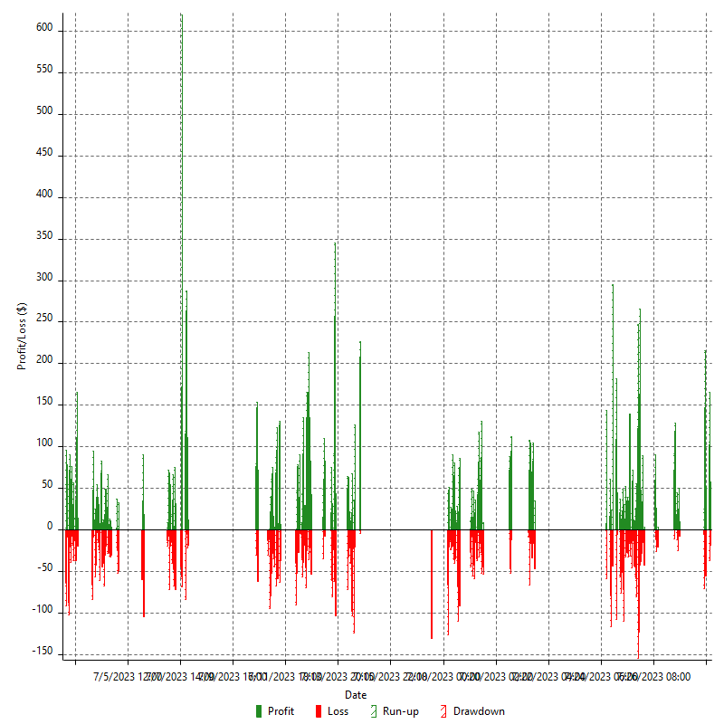

Hourly Returns & Drawdowns (%)

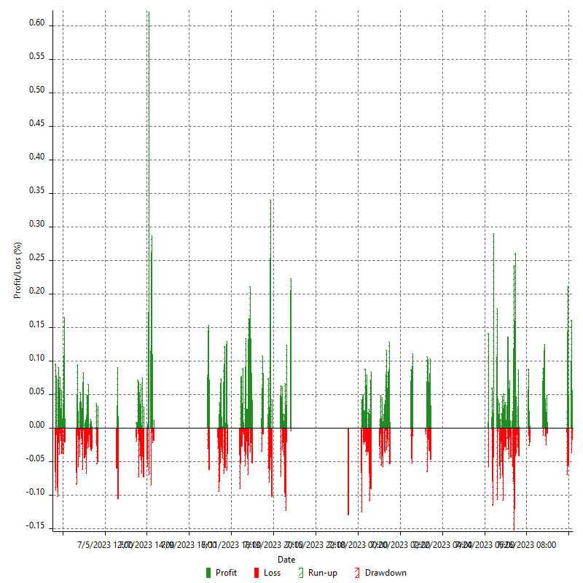

Hourly Accumulative Net Profit

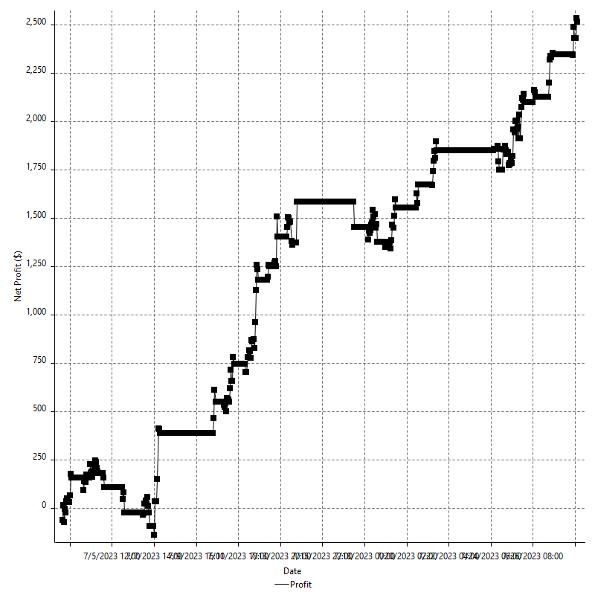

Daily Returns & Drawdowns

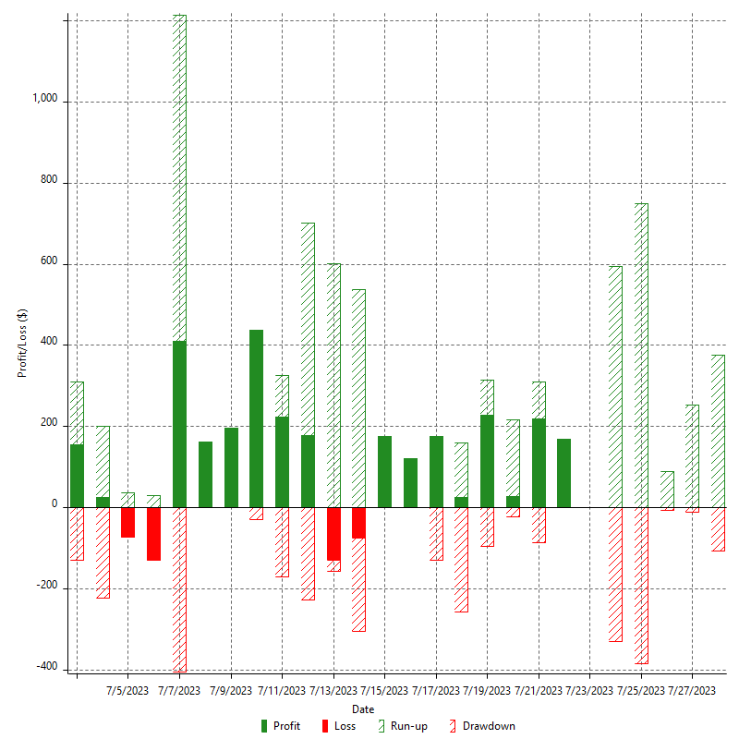

Daily Returns & Drawdowns (%)

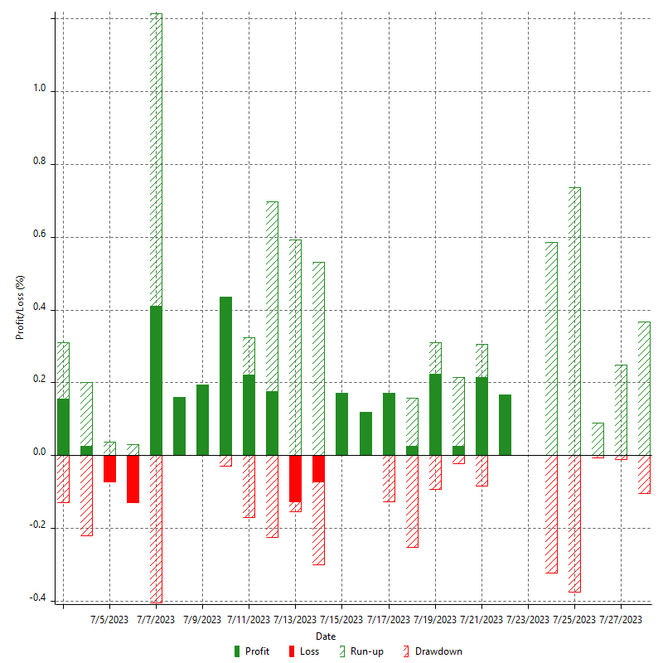

Daily Accumulative Net Profit

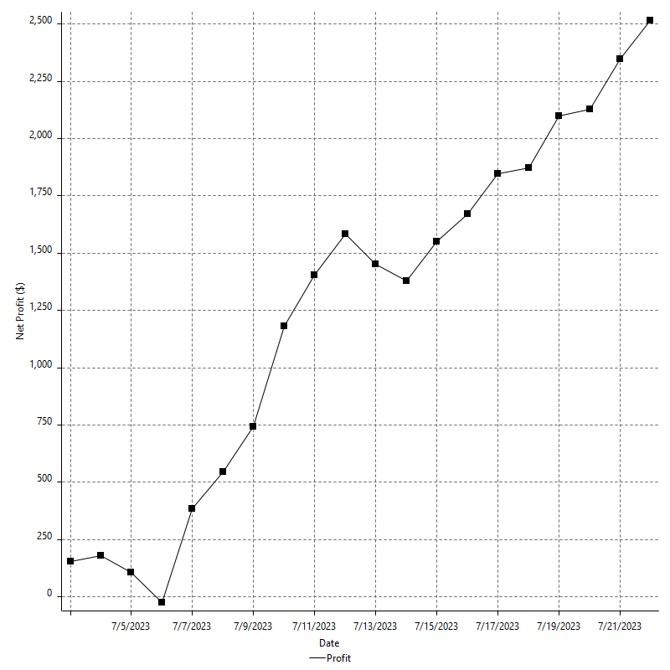

Weekly Returns & Drawdowns

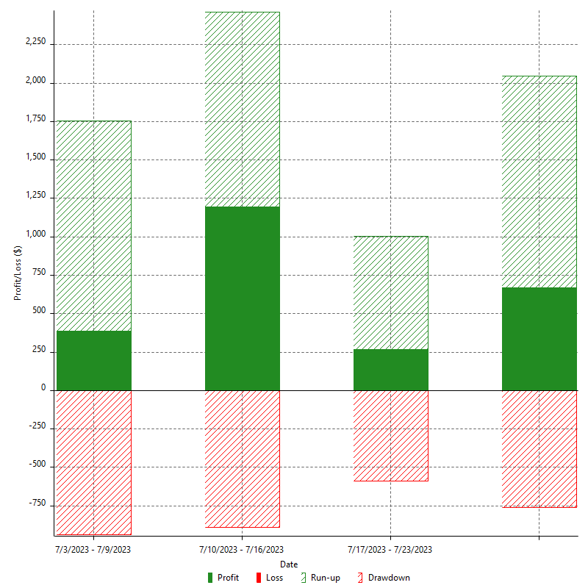

Weekly Returns & Drawdowns (%)



Weekly Accumulative Net Profit

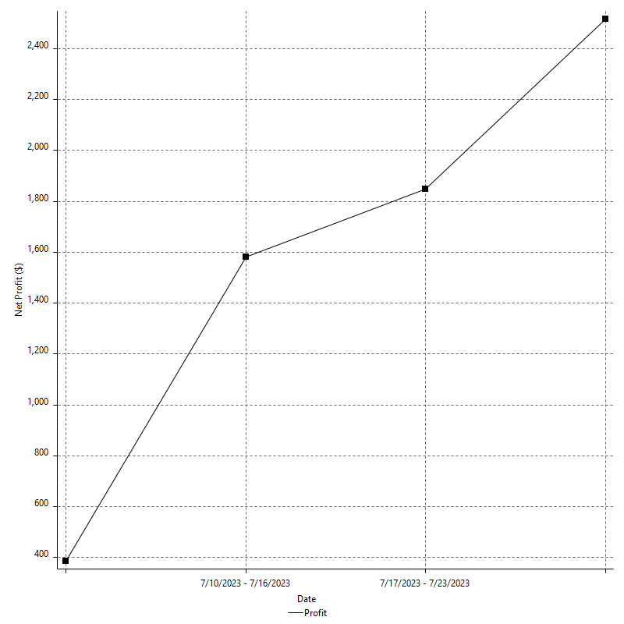

Monthly Returns & Drawdowns

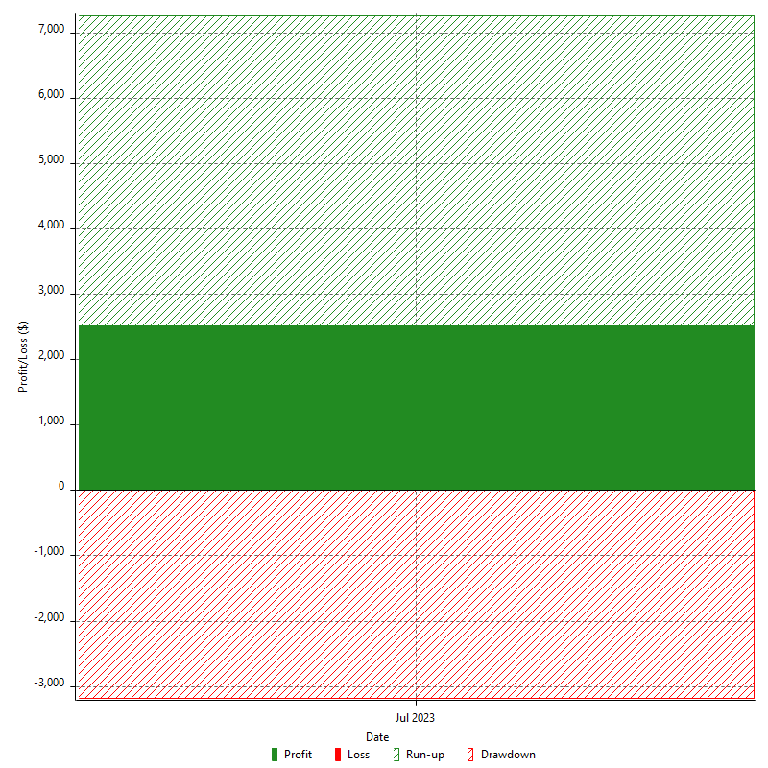

Monthly Returns & Drawdowns (%)



Monthly Accumulative Net Profit

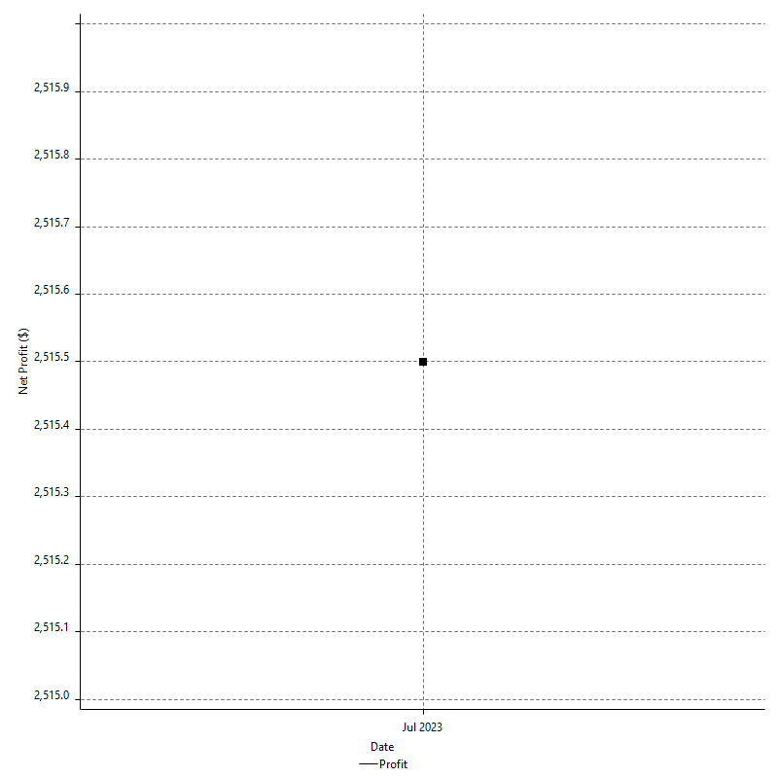

Average Profit By Month

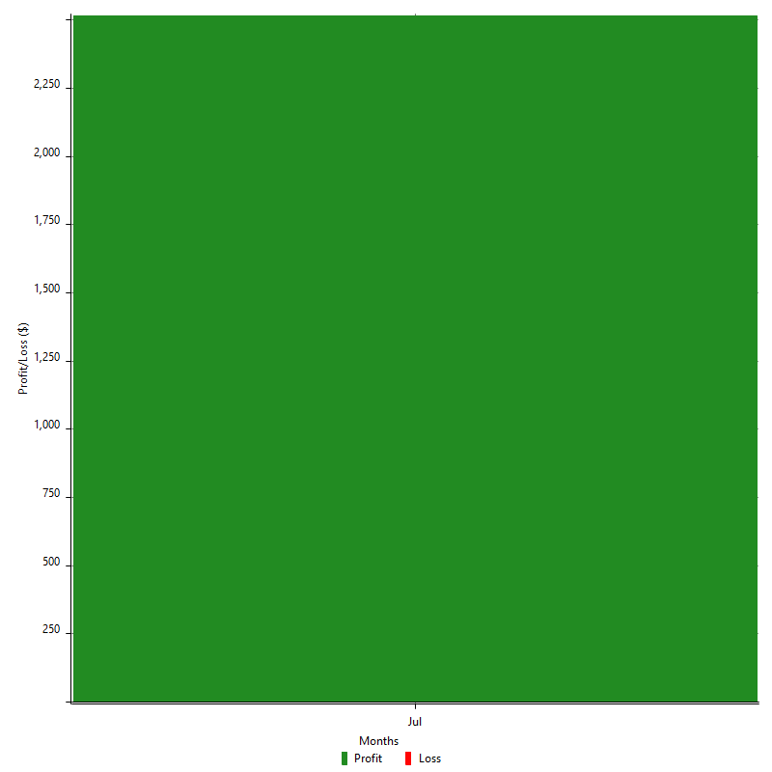

Annual Returns & Drawdowns



Annual Returns & Drawdowns (%)



Annual Accumulative Net Profit

